g2-5
A large share of households would like electricity generated from renewable sources
Percentage of respondents being offered electricity generated by renewable energy sources by their electricity provider

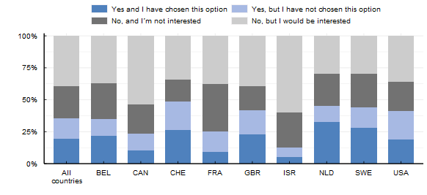

Note: This survey item asked respondents "Have any of the following been proposed to you by your electricity provider?'" Response options included "Yes and I have chosen this option," "Yes, but I have not chosen this option," "No and I'm not interested" and "No, but I would be interested."
Source: OECD (2022), Environmental Policies and Individual Behaviour Change Survey

Choice | Proportion | Country
Yes and I have chosen this option | 0.19 | All countries
Yes, but I have not chosen this option | 0.16 | All countries
No, and I´m not interested | 0.25 | All countries
No, but I would be interested | 0.39 | All countries
Yes and I have chosen this option | 0.22 | BEL
Yes, but I have not chosen this option | 0.13 | BEL
No, and I´m not interested | 0.28 | BEL
No, but I would be interested | 0.37 | BEL
Yes and I have chosen this option | 0.11 | CAN
Yes, but I have not chosen this option | 0.13 | CAN
No, and I´m not interested | 0.23 | CAN
No, but I would be interested | 0.54 | CAN
Yes and I have chosen this option | 0.26 | CHE
Yes, but I have not chosen this option | 0.22 | CHE
No, and I´m not interested | 0.17 | CHE
No, but I would be interested | 0.34 | CHE
Yes and I have chosen this option | 0.09 | FRA
Yes, but I have not chosen this option | 0.16 | FRA
No, and I´m not interested | 0.37 | FRA
No, but I would be interested | 0.38 | FRA
Yes and I have chosen this option | 0.23 | GBR
Yes, but I have not chosen this option | 0.19 | GBR
No, and I´m not interested | 0.19 | GBR
No, but I would be interested | 0.40 | GBR
Yes and I have chosen this option | 0.05 | ISR
Yes, but I have not chosen this option | 0.07 | ISR
No, and I´m not interested | 0.28 | ISR
No, but I would be interested | 0.60 | ISR
Yes and I have chosen this option | 0.33 | NLD
Yes, but I have not chosen this option | 0.13 | NLD
No, and I´m not interested | 0.25 | NLD
No, but I would be interested | 0.29 | NLD
Yes and I have chosen this option | 0.28 | SWE
Yes, but I have not chosen this option | 0.16 | SWE
No, and I´m not interested | 0.26 | SWE
No, but I would be interested | 0.30 | SWE
Yes and I have chosen this option | 0.19 | USA
Yes, but I have not chosen this option | 0.23 | USA
No, and I´m not interested | 0.23 | USA
No, but I would be interested | 0.36 | USA

