g2-8
A minority of households have received government support for the installation of low-emissions energy technologies
Percentage of households that received government support for the installation of low-emissions energy technologies

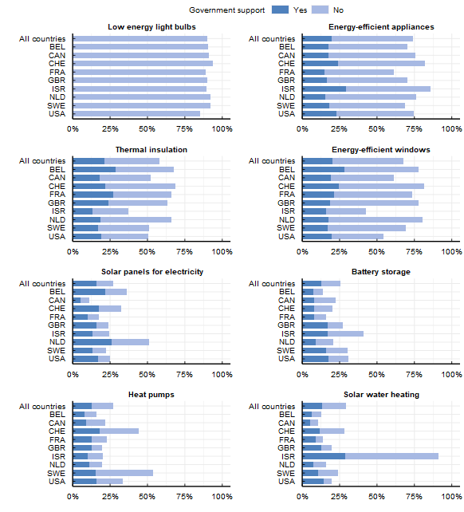

Note: These survey items asked respondents "Have you installed any of the following items over the past ten years in your current primary residence? " For each item that respondents had installed, the next question asked: "Has governmental financial support (e.g. grants, loans with below-market interest rates, tax exemption) encouraged you to install any of the following items in your residence?" The sample sizes for each item are the following: Battery storage: 3996, Energy-efficient appliances: 6826, Energy-efficient windows: 6317, Heat pumps: 4353, Low energy light bulbs: 7858, Solar panels for electricity: 4792, Solar water heating: 4535, Thermal insulation: 5326
Source: OECD (2022), Environmental Policies and Individual Behaviour Change Survey

Country | Equipment | Government Support | Installed
BEL | Battery storage | 0.07 | 0.14
BEL | Energy-efficient appliances | 0.18 | 0.70
BEL | Energy-efficient windows | 0.28 | 0.78
BEL | Heat pumps | 0.08 | 0.16
BEL | Solar panels for electricity | 0.22 | 0.36
BEL | Solar water heating | 0.06 | 0.13
BEL | Thermal insulation | 0.29 | 0.67
CAN | Battery storage | 0.08 | 0.22
CAN | Energy-efficient appliances | 0.18 | 0.75
CAN | Energy-efficient windows | 0.19 | 0.61
CAN | Heat pumps | 0.09 | 0.22
CAN | Solar panels for electricity | 0.05 | 0.11
CAN | Solar water heating | 0.06 | 0.11
CAN | Thermal insulation | 0.18 | 0.52
CHE | Battery storage | 0.08 | 0.20
CHE | Energy-efficient appliances | 0.24 | 0.82
CHE | Energy-efficient windows | 0.24 | 0.81
CHE | Heat pumps | 0.18 | 0.44
CHE | Solar panels for electricity | 0.18 | 0.33
CHE | Solar water heating | 0.12 | 0.28
CHE | Thermal insulation | 0.22 | 0.69
FRA | Battery storage | 0.08 | 0.16
FRA | Energy-efficient appliances | 0.15 | 0.61
FRA | Energy-efficient windows | 0.21 | 0.73
FRA | Heat pumps | 0.13 | 0.23
FRA | Solar panels for electricity | 0.10 | 0.18
FRA | Solar water heating | 0.09 | 0.14
FRA | Thermal insulation | 0.27 | 0.66
GBR | Battery storage | 0.17 | 0.27
GBR | Energy-efficient appliances | 0.17 | 0.70
GBR | Energy-efficient windows | 0.18 | 0.78
GBR | Heat pumps | 0.12 | 0.19
GBR | Solar panels for electricity | 0.16 | 0.24
GBR | Solar water heating | 0.13 | 0.20
GBR | Thermal insulation | 0.24 | 0.64
ISR | Battery storage | 0.17 | 0.41
ISR | Energy-efficient appliances | 0.29 | 0.86
ISR | Energy-efficient windows | 0.16 | 0.42
ISR | Heat pumps | 0.10 | 0.20
ISR | Solar panels for electricity | 0.14 | 0.24
ISR | Solar water heating | 0.29 | 0.91
ISR | Thermal insulation | 0.13 | 0.37
NLD | Battery storage | 0.09 | 0.21
NLD | Energy-efficient appliances | 0.16 | 0.76
NLD | Energy-efficient windows | 0.18 | 0.81
NLD | Heat pumps | 0.11 | 0.20
NLD | Solar panels for electricity | 0.26 | 0.51
NLD | Solar water heating | 0.08 | 0.16
NLD | Thermal insulation | 0.18 | 0.66
SWE | Battery storage | 0.16 | 0.30
SWE | Energy-efficient appliances | 0.18 | 0.69
SWE | Energy-efficient windows | 0.17 | 0.69
SWE | Heat pumps | 0.16 | 0.54
SWE | Solar panels for electricity | 0.13 | 0.22
SWE | Solar water heating | 0.11 | 0.24
SWE | Thermal insulation | 0.17 | 0.51
USA | Battery storage | 0.18 | 0.31
USA | Energy-efficient appliances | 0.23 | 0.75
USA | Energy-efficient windows | 0.20 | 0.54
USA | Heat pumps | 0.16 | 0.33
USA | Solar panels for electricity | 0.17 | 0.25
USA | Solar water heating | 0.14 | 0.20
USA | Thermal insulation | 0.19 | 0.51

