Fig_3-5
Figure 3.5. Challenges faced by SMEs to exporting, March 2022

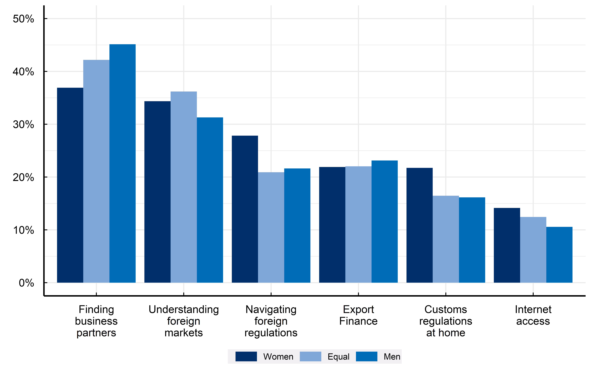

Note: Responses of firms that are currently exporting or have considered selling abroad.
Source: Authors’ calculations based on the OECD-World Bank-Meta Future of Business Survey of online firms with a presence on Facebook.

Row Number | Challenge | Women | Equal | Men
1 | Export Finance | 22 | 22 | 23
1 | Business Partners | 37 | 42 | 45
1 | Internet | 14 | 12 | 11
1 | Customs | 22 | 16 | 16
1 | Regulation | 28 | 21 | 22
1 | Understanding Markets | 34 | 36 | 31

