g2-1
Figure 2.1. Change in share of population in metropolitan TL3 regions, 2001-21

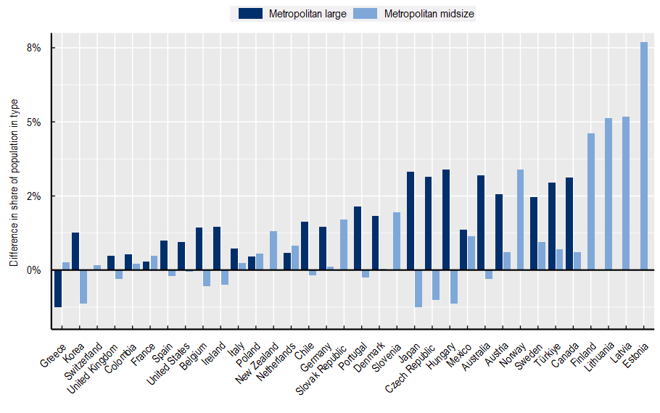

Source: Source: OECD (2022[33]), OECD Regional Statistics (database), https://www.oecd.org/regional/regional-statistics/.

Name | Metro_large | Dif_01_21
Australia | Metropolitan large | 3.21%
Austria | Metropolitan large | 2.56%
Belgium | Metropolitan large | 1.43%
Canada | Metropolitan large | 3.13%
Chile | Metropolitan large | 1.64%
Colombia | Metropolitan large | 0.52%
Czech Republic | Metropolitan large | 3.15%
Germany | Metropolitan large | 1.46%
Denmark | Metropolitan large | 1.84%
Spain | Metropolitan large | 1.00%
France | Metropolitan large | 0.30%
United Kingdom | Metropolitan large | 0.48%
Greece | Metropolitan large | -1.26%
Hungary | Metropolitan large | 3.40%
Ireland | Metropolitan large | 1.45%
Italy | Metropolitan large | 0.74%
Japan | Metropolitan large | 3.31%
Korea | Metropolitan large | 1.26%
Mexico | Metropolitan large | 1.35%
Netherlands | Metropolitan large | 0.58%
Poland | Metropolitan large | 0.45%
Portugal | Metropolitan large | 2.14%
Sweden | Metropolitan large | 2.46%
Türkiye | Metropolitan large | 2.95%
United States | Metropolitan large | 0.94%
Australia | Metropolitan midsize | -0.31%
Austria | Metropolitan midsize | 0.61%
Belgium | Metropolitan midsize | -0.55%
Canada | Metropolitan midsize | 0.59%
Switzerland | Metropolitan midsize | 0.16%
Chile | Metropolitan midsize | -0.17%
Colombia | Metropolitan midsize | 0.22%
Czech Republic | Metropolitan midsize | -1.00%
Germany | Metropolitan midsize | 0.12%
Denmark | Metropolitan midsize | 0.05%
Spain | Metropolitan midsize | -0.21%
Estonia | Metropolitan midsize | 7.68%
Finland | Metropolitan midsize | 4.62%
France | Metropolitan midsize | 0.48%
United Kingdom | Metropolitan midsize | -0.29%
Greece | Metropolitan midsize | 0.27%
Hungary | Metropolitan midsize | -1.13%
Ireland | Metropolitan midsize | -0.49%
Italy | Metropolitan midsize | 0.24%
Japan | Metropolitan midsize | -1.25%
Korea | Metropolitan midsize | -1.13%
Lithuania | Metropolitan midsize | 5.13%
Latvia | Metropolitan midsize | 5.18%
Mexico | Metropolitan midsize | 1.14%
Netherlands | Metropolitan midsize | 0.83%
Norway | Metropolitan midsize | 3.39%
New Zealand | Metropolitan midsize | 1.31%
Poland | Metropolitan midsize | 0.56%
Portugal | Metropolitan midsize | -0.26%
Slovak Republic | Metropolitan midsize | 1.71%
Slovenia | Metropolitan midsize | 1.95%
Sweden | Metropolitan midsize | 0.95%
Türkiye | Metropolitan midsize | 0.70%
United States | Metropolitan midsize | -0.07%

