Figure 1.9
Composition of net wealth for three wealth quintiles
2015 or latest available year

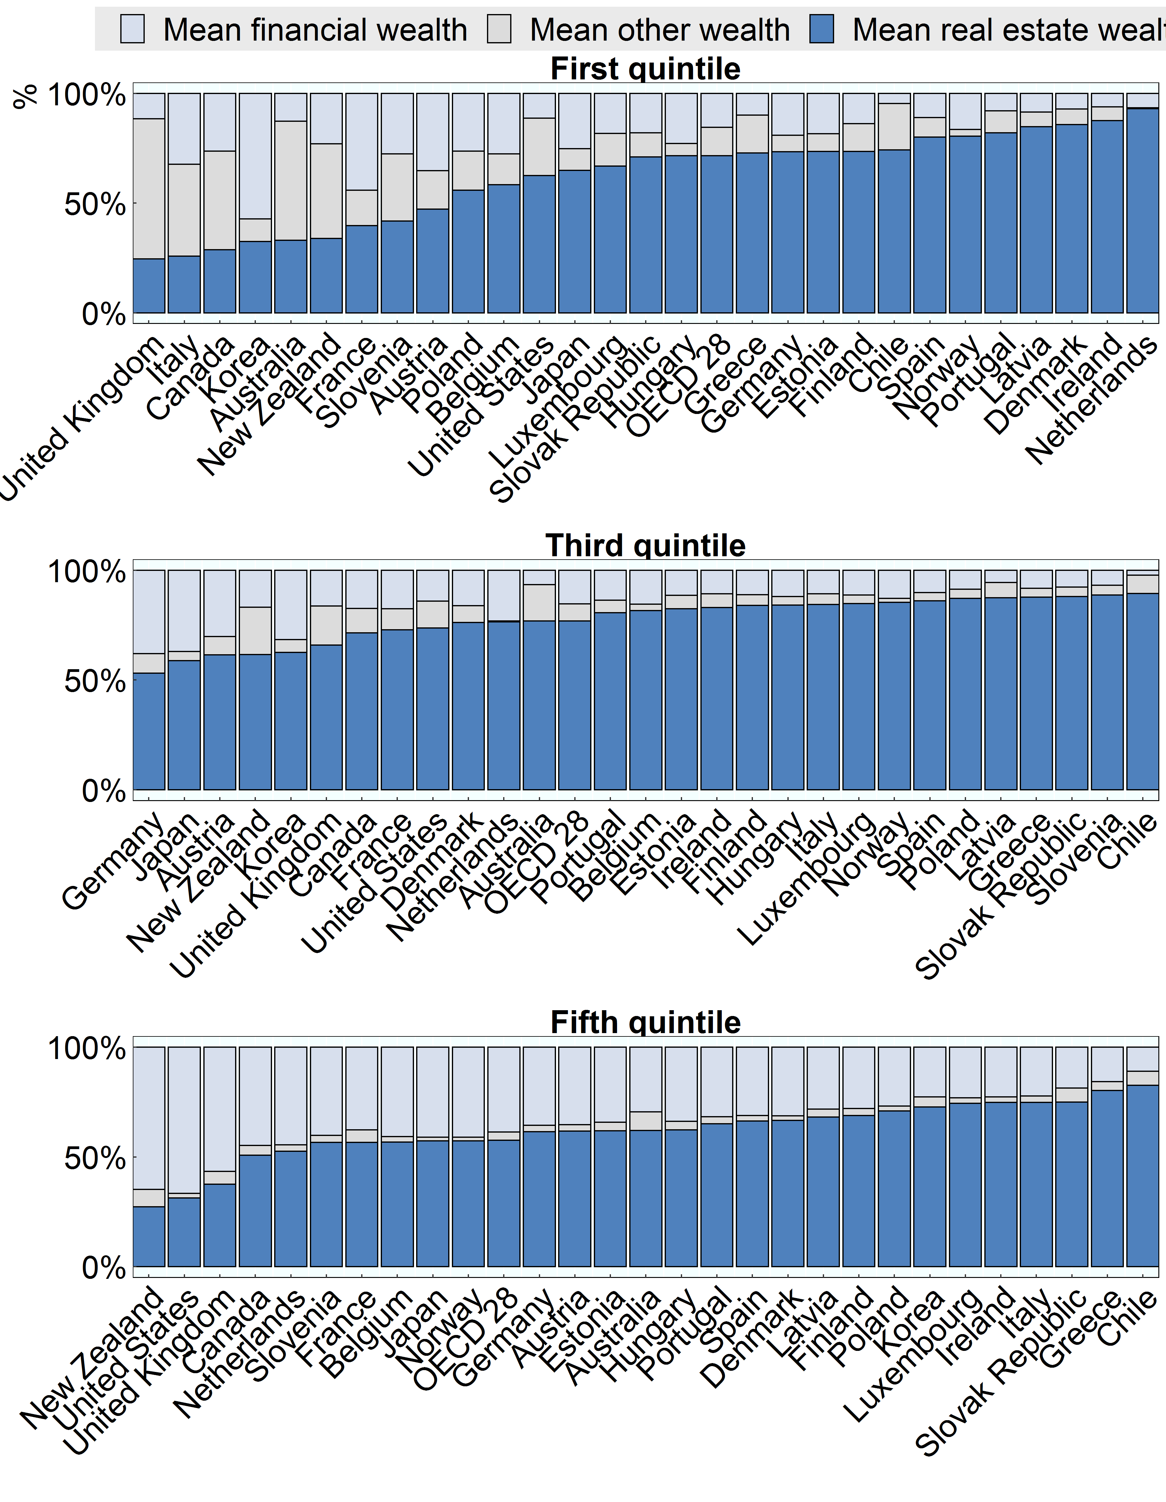

Note:
Source: OECD Wealth Distribution Database, oe.cd/wealth, Balestra and Tonkin, 2018.

Row Number | Country | Group | Long_var | Value
1 | Australia | First quintile | Mean financial wealth | 13%
2 | Australia | Third quintile | Mean financial wealth | 7%
3 | Australia | Fifth quintile | Mean financial wealth | 29%
4 | Austria | First quintile | Mean financial wealth | 35%
5 | Austria | Third quintile | Mean financial wealth | 30%
6 | Austria | Fifth quintile | Mean financial wealth | 35%
7 | Belgium | First quintile | Mean financial wealth | 28%
8 | Belgium | Third quintile | Mean financial wealth | 15%
9 | Belgium | Fifth quintile | Mean financial wealth | 41%
10 | Canada | First quintile | Mean financial wealth | 26%
11 | Canada | Third quintile | Mean financial wealth | 17%
12 | Canada | Fifth quintile | Mean financial wealth | 45%
13 | Chile | First quintile | Mean financial wealth | 5%
14 | Chile | Third quintile | Mean financial wealth | 2%
15 | Chile | Fifth quintile | Mean financial wealth | 11%
16 | Denmark | First quintile | Mean financial wealth | 7%
17 | Denmark | Third quintile | Mean financial wealth | 16%
18 | Denmark | Fifth quintile | Mean financial wealth | 31%
19 | Estonia | First quintile | Mean financial wealth | 18%
20 | Estonia | Third quintile | Mean financial wealth | 11%
21 | Estonia | Fifth quintile | Mean financial wealth | 34%
22 | Finland | First quintile | Mean financial wealth | 14%
23 | Finland | Third quintile | Mean financial wealth | 11%
24 | Finland | Fifth quintile | Mean financial wealth | 28%
25 | France | First quintile | Mean financial wealth | 44%
26 | France | Third quintile | Mean financial wealth | 17%
27 | France | Fifth quintile | Mean financial wealth | 38%
28 | Germany | First quintile | Mean financial wealth | 19%
29 | Germany | Third quintile | Mean financial wealth | 38%
30 | Germany | Fifth quintile | Mean financial wealth | 36%
31 | Greece | First quintile | Mean financial wealth | 10%
32 | Greece | Third quintile | Mean financial wealth | 8%
33 | Greece | Fifth quintile | Mean financial wealth | 16%
34 | Hungary | First quintile | Mean financial wealth | 23%
35 | Hungary | Third quintile | Mean financial wealth | 12%
36 | Hungary | Fifth quintile | Mean financial wealth | 34%
37 | Ireland | First quintile | Mean financial wealth | 6%
38 | Ireland | Third quintile | Mean financial wealth | 11%
39 | Ireland | Fifth quintile | Mean financial wealth | 23%
40 | Italy | First quintile | Mean financial wealth | 32%
41 | Italy | Third quintile | Mean financial wealth | 11%
42 | Italy | Fifth quintile | Mean financial wealth | 22%
43 | Japan | First quintile | Mean financial wealth | 25%
44 | Japan | Third quintile | Mean financial wealth | 37%
45 | Japan | Fifth quintile | Mean financial wealth | 41%
46 | Korea | First quintile | Mean financial wealth | 57%
47 | Korea | Third quintile | Mean financial wealth | 32%
48 | Korea | Fifth quintile | Mean financial wealth | 23%
49 | Latvia | First quintile | Mean financial wealth | 8%
50 | Latvia | Third quintile | Mean financial wealth | 5%
51 | Latvia | Fifth quintile | Mean financial wealth | 28%
52 | Luxembourg | First quintile | Mean financial wealth | 18%
53 | Luxembourg | Third quintile | Mean financial wealth | 11%
54 | Luxembourg | Fifth quintile | Mean financial wealth | 23%
55 | Netherlands | First quintile | Mean financial wealth | 7%
56 | Netherlands | Third quintile | Mean financial wealth | 23%
57 | Netherlands | Fifth quintile | Mean financial wealth | 45%
58 | New Zealand | First quintile | Mean financial wealth | 23%
59 | New Zealand | Third quintile | Mean financial wealth | 17%
60 | New Zealand | Fifth quintile | Mean financial wealth | 65%
61 | Norway | First quintile | Mean financial wealth | 16%
62 | Norway | Third quintile | Mean financial wealth | 13%
63 | Norway | Fifth quintile | Mean financial wealth | 41%
64 | OECD 28 | First quintile | Mean financial wealth | 15%
65 | OECD 28 | Third quintile | Mean financial wealth | 15%
66 | OECD 28 | Fifth quintile | Mean financial wealth | 39%
67 | Poland | First quintile | Mean financial wealth | 26%
68 | Poland | Third quintile | Mean financial wealth | 9%
69 | Poland | Fifth quintile | Mean financial wealth | 27%
70 | Portugal | First quintile | Mean financial wealth | 8%
71 | Portugal | Third quintile | Mean financial wealth | 14%
72 | Portugal | Fifth quintile | Mean financial wealth | 32%
73 | Slovak Republic | First quintile | Mean financial wealth | 18%
74 | Slovak Republic | Third quintile | Mean financial wealth | 8%
75 | Slovak Republic | Fifth quintile | Mean financial wealth | 19%
76 | Slovenia | First quintile | Mean financial wealth | 28%
77 | Slovenia | Third quintile | Mean financial wealth | 7%
78 | Slovenia | Fifth quintile | Mean financial wealth | 40%
79 | Spain | First quintile | Mean financial wealth | 11%
80 | Spain | Third quintile | Mean financial wealth | 10%
81 | Spain | Fifth quintile | Mean financial wealth | 31%
82 | United Kingdom | First quintile | Mean financial wealth | 12%
83 | United Kingdom | Third quintile | Mean financial wealth | 16%
84 | United Kingdom | Fifth quintile | Mean financial wealth | 57%
85 | United States | First quintile | Mean financial wealth | 11%
86 | United States | Third quintile | Mean financial wealth | 14%
87 | United States | Fifth quintile | Mean financial wealth | 67%
88 | Australia | First quintile | Mean other wealth | 54%
89 | Australia | Third quintile | Mean other wealth | 17%
90 | Australia | Fifth quintile | Mean other wealth | 8%
91 | Austria | First quintile | Mean other wealth | 18%
92 | Austria | Third quintile | Mean other wealth | 8%
93 | Austria | Fifth quintile | Mean other wealth | 3%
94 | Belgium | First quintile | Mean other wealth | 14%
95 | Belgium | Third quintile | Mean other wealth | 3%
96 | Belgium | Fifth quintile | Mean other wealth | 2%
97 | Canada | First quintile | Mean other wealth | 45%
98 | Canada | Third quintile | Mean other wealth | 11%
99 | Canada | Fifth quintile | Mean other wealth | 4%
100 | Chile | First quintile | Mean other wealth | 21%
101 | Chile | Third quintile | Mean other wealth | 8%
102 | Chile | Fifth quintile | Mean other wealth | 6%
103 | Denmark | First quintile | Mean other wealth | 7%
104 | Denmark | Third quintile | Mean other wealth | 8%
105 | Denmark | Fifth quintile | Mean other wealth | 2%
106 | Estonia | First quintile | Mean other wealth | 8%
107 | Estonia | Third quintile | Mean other wealth | 6%
108 | Estonia | Fifth quintile | Mean other wealth | 4%
109 | Finland | First quintile | Mean other wealth | 13%
110 | Finland | Third quintile | Mean other wealth | 5%
111 | Finland | Fifth quintile | Mean other wealth | 3%
112 | France | First quintile | Mean other wealth | 16%
113 | France | Third quintile | Mean other wealth | 10%
114 | France | Fifth quintile | Mean other wealth | 6%
115 | Germany | First quintile | Mean other wealth | 7%
116 | Germany | Third quintile | Mean other wealth | 9%
117 | Germany | Fifth quintile | Mean other wealth | 3%
118 | Greece | First quintile | Mean other wealth | 17%
119 | Greece | Third quintile | Mean other wealth | 4%
120 | Greece | Fifth quintile | Mean other wealth | 4%
121 | Hungary | First quintile | Mean other wealth | 6%
122 | Hungary | Third quintile | Mean other wealth | 4%
123 | Hungary | Fifth quintile | Mean other wealth | 4%
124 | Ireland | First quintile | Mean other wealth | 6%
125 | Ireland | Third quintile | Mean other wealth | 6%
126 | Ireland | Fifth quintile | Mean other wealth | 3%
127 | Italy | First quintile | Mean other wealth | 42%
128 | Italy | Third quintile | Mean other wealth | 5%
129 | Italy | Fifth quintile | Mean other wealth | 3%
130 | Japan | First quintile | Mean other wealth | 10%
131 | Japan | Third quintile | Mean other wealth | 4%
132 | Japan | Fifth quintile | Mean other wealth | 2%
133 | Korea | First quintile | Mean other wealth | 10%
134 | Korea | Third quintile | Mean other wealth | 6%
135 | Korea | Fifth quintile | Mean other wealth | 4%
136 | Latvia | First quintile | Mean other wealth | 7%
137 | Latvia | Third quintile | Mean other wealth | 7%
138 | Latvia | Fifth quintile | Mean other wealth | 4%
139 | Luxembourg | First quintile | Mean other wealth | 15%
140 | Luxembourg | Third quintile | Mean other wealth | 4%
141 | Luxembourg | Fifth quintile | Mean other wealth | 2%
142 | Netherlands | First quintile | Mean other wealth | 0%
143 | Netherlands | Third quintile | Mean other wealth | 0%
144 | Netherlands | Fifth quintile | Mean other wealth | 3%
145 | New Zealand | First quintile | Mean other wealth | 43%
146 | New Zealand | Third quintile | Mean other wealth | 22%
147 | New Zealand | Fifth quintile | Mean other wealth | 8%
148 | Norway | First quintile | Mean other wealth | 3%
149 | Norway | Third quintile | Mean other wealth | 2%
150 | Norway | Fifth quintile | Mean other wealth | 2%
151 | OECD 28 | First quintile | Mean other wealth | 13%
152 | OECD 28 | Third quintile | Mean other wealth | 8%
153 | OECD 28 | Fifth quintile | Mean other wealth | 4%
154 | Poland | First quintile | Mean other wealth | 18%
155 | Poland | Third quintile | Mean other wealth | 4%
156 | Poland | Fifth quintile | Mean other wealth | 2%
157 | Portugal | First quintile | Mean other wealth | 10%
158 | Portugal | Third quintile | Mean other wealth | 6%
159 | Portugal | Fifth quintile | Mean other wealth | 3%
160 | Slovak Republic | First quintile | Mean other wealth | 11%
161 | Slovak Republic | Third quintile | Mean other wealth | 4%
162 | Slovak Republic | Fifth quintile | Mean other wealth | 6%
163 | Slovenia | First quintile | Mean other wealth | 31%
164 | Slovenia | Third quintile | Mean other wealth | 4%
165 | Slovenia | Fifth quintile | Mean other wealth | 3%
166 | Spain | First quintile | Mean other wealth | 9%
167 | Spain | Third quintile | Mean other wealth | 4%
168 | Spain | Fifth quintile | Mean other wealth | 2%
169 | United Kingdom | First quintile | Mean other wealth | 64%
170 | United Kingdom | Third quintile | Mean other wealth | 18%
171 | United Kingdom | Fifth quintile | Mean other wealth | 6%
172 | United States | First quintile | Mean other wealth | 26%
173 | United States | Third quintile | Mean other wealth | 12%
174 | United States | Fifth quintile | Mean other wealth | 2%
175 | Australia | First quintile | Mean real estate wealth | 33%
176 | Australia | Third quintile | Mean real estate wealth | 77%
177 | Australia | Fifth quintile | Mean real estate wealth | 62%
178 | Austria | First quintile | Mean real estate wealth | 47%
179 | Austria | Third quintile | Mean real estate wealth | 61%
180 | Austria | Fifth quintile | Mean real estate wealth | 62%
181 | Belgium | First quintile | Mean real estate wealth | 58%
182 | Belgium | Third quintile | Mean real estate wealth | 82%
183 | Belgium | Fifth quintile | Mean real estate wealth | 57%
184 | Canada | First quintile | Mean real estate wealth | 29%
185 | Canada | Third quintile | Mean real estate wealth | 72%
186 | Canada | Fifth quintile | Mean real estate wealth | 51%
187 | Chile | First quintile | Mean real estate wealth | 74%
188 | Chile | Third quintile | Mean real estate wealth | 89%
189 | Chile | Fifth quintile | Mean real estate wealth | 83%
190 | Denmark | First quintile | Mean real estate wealth | 86%
191 | Denmark | Third quintile | Mean real estate wealth | 76%
192 | Denmark | Fifth quintile | Mean real estate wealth | 67%
193 | Estonia | First quintile | Mean real estate wealth | 74%
194 | Estonia | Third quintile | Mean real estate wealth | 83%
195 | Estonia | Fifth quintile | Mean real estate wealth | 62%
196 | Finland | First quintile | Mean real estate wealth | 74%
197 | Finland | Third quintile | Mean real estate wealth | 84%
198 | Finland | Fifth quintile | Mean real estate wealth | 69%
199 | France | First quintile | Mean real estate wealth | 40%
200 | France | Third quintile | Mean real estate wealth | 73%
201 | France | Fifth quintile | Mean real estate wealth | 57%
202 | Germany | First quintile | Mean real estate wealth | 73%
203 | Germany | Third quintile | Mean real estate wealth | 53%
204 | Germany | Fifth quintile | Mean real estate wealth | 61%
205 | Greece | First quintile | Mean real estate wealth | 73%
206 | Greece | Third quintile | Mean real estate wealth | 88%
207 | Greece | Fifth quintile | Mean real estate wealth | 80%
208 | Hungary | First quintile | Mean real estate wealth | 72%
209 | Hungary | Third quintile | Mean real estate wealth | 84%
210 | Hungary | Fifth quintile | Mean real estate wealth | 62%
211 | Ireland | First quintile | Mean real estate wealth | 88%
212 | Ireland | Third quintile | Mean real estate wealth | 83%
213 | Ireland | Fifth quintile | Mean real estate wealth | 75%
214 | Italy | First quintile | Mean real estate wealth | 26%
215 | Italy | Third quintile | Mean real estate wealth | 84%
216 | Italy | Fifth quintile | Mean real estate wealth | 75%
217 | Japan | First quintile | Mean real estate wealth | 65%
218 | Japan | Third quintile | Mean real estate wealth | 59%
219 | Japan | Fifth quintile | Mean real estate wealth | 57%
220 | Korea | First quintile | Mean real estate wealth | 32%
221 | Korea | Third quintile | Mean real estate wealth | 63%
222 | Korea | Fifth quintile | Mean real estate wealth | 73%
223 | Latvia | First quintile | Mean real estate wealth | 85%
224 | Latvia | Third quintile | Mean real estate wealth | 88%
225 | Latvia | Fifth quintile | Mean real estate wealth | 68%
226 | Luxembourg | First quintile | Mean real estate wealth | 67%
227 | Luxembourg | Third quintile | Mean real estate wealth | 85%
228 | Luxembourg | Fifth quintile | Mean real estate wealth | 75%
229 | Netherlands | First quintile | Mean real estate wealth | 93%
230 | Netherlands | Third quintile | Mean real estate wealth | 77%
231 | Netherlands | Fifth quintile | Mean real estate wealth | 53%
232 | New Zealand | First quintile | Mean real estate wealth | 34%
233 | New Zealand | Third quintile | Mean real estate wealth | 62%
234 | New Zealand | Fifth quintile | Mean real estate wealth | 27%
235 | Norway | First quintile | Mean real estate wealth | 81%
236 | Norway | Third quintile | Mean real estate wealth | 85%
237 | Norway | Fifth quintile | Mean real estate wealth | 57%
238 | OECD 28 | First quintile | Mean real estate wealth | 72%
239 | OECD 28 | Third quintile | Mean real estate wealth | 77%
240 | OECD 28 | Fifth quintile | Mean real estate wealth | 58%
241 | Poland | First quintile | Mean real estate wealth | 56%
242 | Poland | Third quintile | Mean real estate wealth | 87%
243 | Poland | Fifth quintile | Mean real estate wealth | 71%
244 | Portugal | First quintile | Mean real estate wealth | 82%
245 | Portugal | Third quintile | Mean real estate wealth | 81%
246 | Portugal | Fifth quintile | Mean real estate wealth | 65%
247 | Slovak Republic | First quintile | Mean real estate wealth | 71%
248 | Slovak Republic | Third quintile | Mean real estate wealth | 88%
249 | Slovak Republic | Fifth quintile | Mean real estate wealth | 75%
250 | Slovenia | First quintile | Mean real estate wealth | 42%
251 | Slovenia | Third quintile | Mean real estate wealth | 89%
252 | Slovenia | Fifth quintile | Mean real estate wealth | 57%
253 | Spain | First quintile | Mean real estate wealth | 80%
254 | Spain | Third quintile | Mean real estate wealth | 86%
255 | Spain | Fifth quintile | Mean real estate wealth | 66%
256 | United Kingdom | First quintile | Mean real estate wealth | 25%
257 | United Kingdom | Third quintile | Mean real estate wealth | 66%
258 | United Kingdom | Fifth quintile | Mean real estate wealth | 38%
259 | United States | First quintile | Mean real estate wealth | 63%
260 | United States | Third quintile | Mean real estate wealth | 74%
261 | United States | Fifth quintile | Mean real estate wealth | 31%

