g2-7
Figure 2.7. Country GDP per capita gap with respect to OECD mean, 2000 and 2020

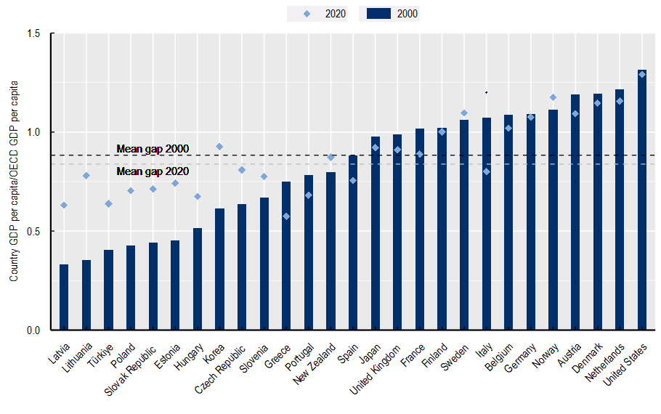

Note: Based on country aggregates from TL3-level data. The gap is defined as each country’s GDP per capita with respect to OECD GDP per capita. The mean gap is the mean value of gaps across OECD countries. Converging countries had a 2000 GDP per capita gap below the mean gap across OECD countries and a smaller gap in 2020 (i.e. a larger country GDP per capita to OECD GDP per capita ratio): the Czech Republic, Estonia, Hungary, Korea, Latvia, Lithuania, New Zealand, Poland, the Slovak Republic, Slovenia and Türkiye. Diverging countries had a 2000 GDP per capita gap in below the mean gap across countries and a larger gap in 2020 (i.e. a smaller country GDP per capita to OECD GDP per capita ratio): Greece, Italy, Portugal and Spain. Countries above OECD levels had gaps above the mean gap across OECD countries in 2000 and 2020: Austria, Belgium, Denmark, France, Finland, Germany, Japan, the Netherlands, Norway, Sweden, the United Kingdom and the United States.
Source: OECD (2022[33]), OECD Regional Statistics (database), https://www.oecd.org/regional/regional-statistics/.

Name | Gdp_pc_gap_2000 | Gdp_pc_gap_2020
Austria | 1.19 | 1.09
Belgium | 1.09 | 1.02
Czech Republic | 0.64 | 0.81
Germany | 1.09 | 1.08
Denmark | 1.19 | 1.15
Spain | 0.88 | 0.76
Estonia | 0.45 | 0.74
Finland | 1.02 | 1.00
France | 1.02 | 0.89
United Kingdom | 0.99 | 0.91
Greece | 0.75 | 0.57
Hungary | 0.51 | 0.68
Italy | 1.07 | 0.80
Japan | 0.98 | 0.92
Korea | 0.61 | 0.93
Lithuania | 0.35 | 0.78
Latvia | 0.33 | 0.63
Netherlands | 1.22 | 1.16
Norway | 1.11 | 1.17
New Zealand | 0.80 | 0.87
Poland | 0.43 | 0.70
Portugal | 0.78 | 0.68
Slovak Republic | 0.44 | 0.71
Slovenia | 0.67 | 0.78
Sweden | 1.06 | 1.10
Türkiye | 0.41 | 0.64
United States | 1.31 | 1.29

