Fig_3-4
Figure 3.4. Export Behavior of Exporting Firms, March 2022

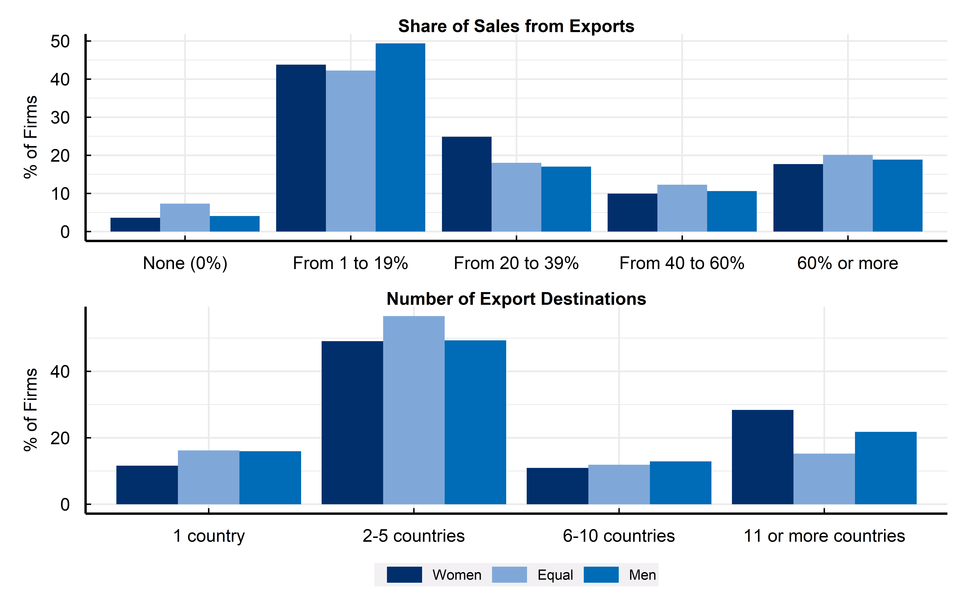

Source: OECD-World Bank-Meta Future of Business Survey of SMEs with a presence on Facebook.

Row Number | Answer | Women | Equal | Men
1 | None (0%) | 4 | 7 | 4
2 | From 1 to 19% | 44 | 42 | 49
3 | From 20 to 39% | 25 | 18 | 17
4 | From 40 to 60% | 10 | 12 | 11
5 | 60% or more | 18 | 20 | 19
6 | 1 country | 12 | 16 | 16
7 | 2-5 countries | 49 | 57 | 49
8 | 6-10 countries | 11 | 12 | 13
9 | 11 or more countries | 28 | 15 | 22

