Figure 3.1
Inheritance, estate, and gift tax revenues, 2019, all OECD countries

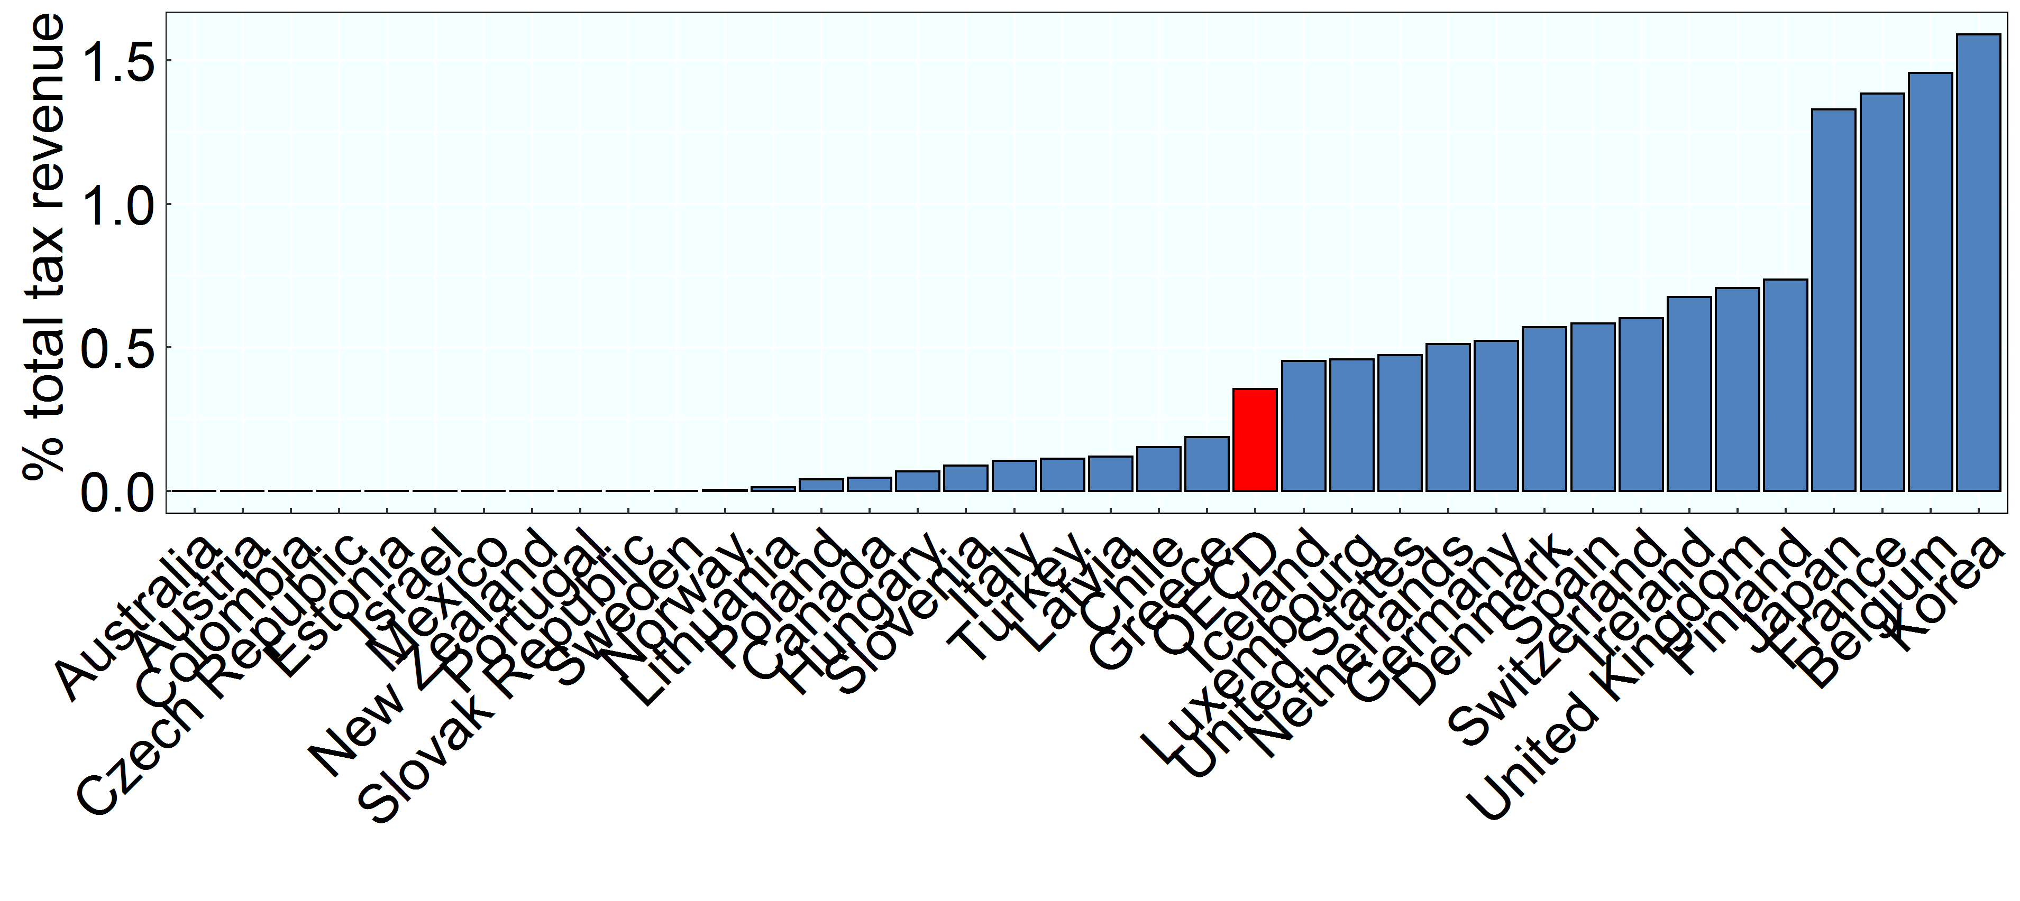

Note: Data are for 2018 for Australia, Greece, Japan, Mexico and the OECD average.
Source: OECD Revenue Statistics

Row Number | Country | Year | Value
1 | Australia | 2018 | 0.00
2 | Austria | 2019 | 0.00
3 | Belgium | 2019 | 1.46
4 | Canada | 2019 | 0.04
5 | Switzerland | 2019 | 0.60
6 | Chile | 2019 | 0.15
7 | Colombia | 2019 | 0.00
8 | Czech Republic | 2019 | 0.00
9 | Germany | 2019 | 0.52
10 | Denmark | 2019 | 0.57
11 | Spain | 2019 | 0.58
12 | Estonia | 2019 | 0.00
13 | Finland | 2019 | 0.74
14 | France | 2019 | 1.38
15 | United Kingdom | 2019 | 0.71
16 | Greece | 2018 | 0.19
17 | Hungary | 2019 | 0.07
18 | Ireland | 2019 | 0.68
19 | Iceland | 2019 | 0.45
20 | Israel | 2019 | 0.00
21 | Italy | 2019 | 0.10
22 | Japan | 2018 | 1.33
23 | Korea | 2019 | 1.59
24 | Lithuania | 2019 | 0.01
25 | Luxembourg | 2019 | 0.46
26 | Latvia | 2019 | 0.12
27 | Mexico | 2018 | 0.00
28 | Netherlands | 2019 | 0.51
29 | Norway | 2019 | 0.00
30 | New Zealand | 2019 | 0.00
31 | OECD | 2018 | 0.36
32 | Poland | 2019 | 0.04
33 | Portugal | 2019 | 0.00
34 | Slovak Republic | 2019 | 0.00
35 | Slovenia | 2019 | 0.09
36 | Sweden | 2019 | 0.00
37 | Turkey | 2019 | 0.11
38 | United States | 2019 | 0.47

