Figure 3.10
Tax exemption threshold for donors’ children compared to the average value of inheritances received by all heirs in each quintile, select countries
2015 or latest available year

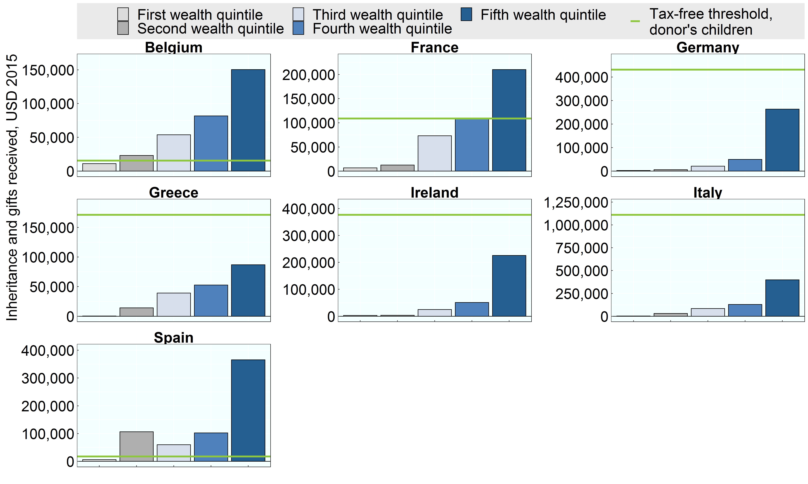

Note: Tax exemption thresholds and inheritances are reported in USD 2015. Children of the donor are exempt in Hungary, Lithuania, Poland, Portugal, Slovenia and Switzerland. Data from the Wealth Distribution Database were not available for Finland and the Netherlands and the remaining countries that levy inheritance or estate taxes were not included in the Wealth Distribution Database. This figure assumes beneficiaries are adults (over 21 years old) and do not have a disability. Belgium: refers to the Brussels-Capital Region. Switzerland: refers to the canton of Zurich.
Source: OECD Wealth Distribution Database, oe.cd/wealth.

Row Number | Country | Variable | Group | Value
1 | Belgium | Tax-free threshold, donor's children | All | 15,775
2 | Belgium | Inheritance and gifts received | First wealth quintile | 11,052
3 | Belgium | Inheritance and gifts received | Second wealth quintile | 23,153
4 | Belgium | Inheritance and gifts received | Third wealth quintile | 53,908
5 | Belgium | Inheritance and gifts received | Fourth wealth quintile | 81,677
6 | Belgium | Inheritance and gifts received | Fifth wealth quintile | 150,279
7 | France | Tax-free threshold, donor's children | All | 109,062
8 | France | Inheritance and gifts received | First wealth quintile | 6,700
9 | France | Inheritance and gifts received | Second wealth quintile | 12,621
10 | France | Inheritance and gifts received | Third wealth quintile | 73,268
11 | France | Inheritance and gifts received | Fourth wealth quintile | 107,894
12 | France | Inheritance and gifts received | Fifth wealth quintile | 210,005
13 | Germany | Tax-free threshold, donor's children | All | 431,794
14 | Germany | Inheritance and gifts received | First wealth quintile | 2,678
15 | Germany | Inheritance and gifts received | Second wealth quintile | 6,012
16 | Germany | Inheritance and gifts received | Third wealth quintile | 21,130
17 | Germany | Inheritance and gifts received | Fourth wealth quintile | 49,600
18 | Germany | Inheritance and gifts received | Fifth wealth quintile | 263,658
19 | Greece | Tax-free threshold, donor's children | All | 171,490
20 | Greece | Inheritance and gifts received | First wealth quintile | 459
21 | Greece | Inheritance and gifts received | Second wealth quintile | 14,168
22 | Greece | Inheritance and gifts received | Third wealth quintile | 39,038
23 | Greece | Inheritance and gifts received | Fourth wealth quintile | 52,716
24 | Greece | Inheritance and gifts received | Fifth wealth quintile | 86,926
25 | Ireland | Tax-free threshold, donor's children | All | 377,184
26 | Ireland | Inheritance and gifts received | First wealth quintile | 2,859
27 | Ireland | Inheritance and gifts received | Second wealth quintile | 3,718
28 | Ireland | Inheritance and gifts received | Third wealth quintile | 25,071
29 | Ireland | Inheritance and gifts received | Fourth wealth quintile | 51,324
30 | Ireland | Inheritance and gifts received | Fifth wealth quintile | 226,054
31 | Italy | Tax-free threshold, donor's children | All | 1,111,808
32 | Italy | Inheritance and gifts received | First wealth quintile | 2,591
33 | Italy | Inheritance and gifts received | Second wealth quintile | 30,942
34 | Italy | Inheritance and gifts received | Third wealth quintile | 83,839
35 | Italy | Inheritance and gifts received | Fourth wealth quintile | 128,873
36 | Italy | Inheritance and gifts received | Fifth wealth quintile | 398,393
37 | Spain | Tax-free threshold, donor's children | All | 17,552
38 | Spain | Inheritance and gifts received | First wealth quintile | 6,055
39 | Spain | Inheritance and gifts received | Second wealth quintile | 106,476
40 | Spain | Inheritance and gifts received | Third wealth quintile | 59,881
41 | Spain | Inheritance and gifts received | Fourth wealth quintile | 102,467
42 | Spain | Inheritance and gifts received | Fifth wealth quintile | 365,622

