g2-7
Installation of low-emissions technologies is not possible for many households
Percentage of respondents based on whole sample

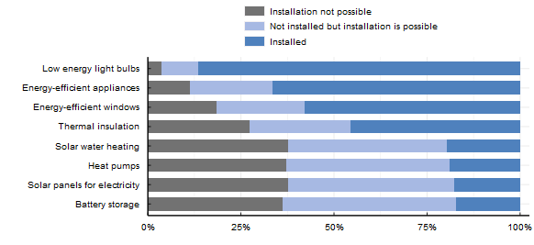

Note: These survey items asked respondents: "Have you installed any of the following items over the past ten years in your current primary residence?". Respondents who answered "Do not know" are not counted in the figure. Respondents who answered "No" were asked a follow-up question: "Why haven't you installed the following items?". For each type of equipment that they had not already installed over the past ten years, respondents selected the main reason why they had not done so. Respondents who selected "Already installed more than 10 years ago" are counted as having installed the equipment. Those that selected "I am planning to install this in the next two/three year", "I am interested but cannot afford it" or "I am not interested" are counted as "Possible to install". The remaining reasons: "Not possible (not feasible in my house/ apartment area and/or my landlord would need to install this)" and "I am not aware of this or do not know if it is possible to install in my area/home" are counted as "Not possible".
Source: OECD (2022), Environmental Policies and Individual Behaviour Change Survey

Equipment | Status | Proportion
Battery storage | Installation not possible | 0.36
Battery storage | Installed | 0.17
Battery storage | Not installed but installation is possible | 0.47
Energy-efficient appliances | Installation not possible | 0.11
Energy-efficient appliances | Installed | 0.66
Energy-efficient appliances | Not installed but installation is possible | 0.22
Energy-efficient windows | Installation not possible | 0.18
Energy-efficient windows | Installed | 0.58
Energy-efficient windows | Not installed but installation is possible | 0.24
Heat pumps | Installation not possible | 0.37
Heat pumps | Installed | 0.19
Heat pumps | Not installed but installation is possible | 0.44
Low energy light bulbs | Installation not possible | 0.04
Low energy light bulbs | Installed | 0.87
Low energy light bulbs | Not installed but installation is possible | 0.10
Solar panels for electricity | Installation not possible | 0.38
Solar panels for electricity | Installed | 0.18
Solar panels for electricity | Not installed but installation is possible | 0.44
Solar water heating | Installation not possible | 0.38
Solar water heating | Installed | 0.20
Solar water heating | Not installed but installation is possible | 0.43
Thermal insulation | Installation not possible | 0.27
Thermal insulation | Installed | 0.46
Thermal insulation | Not installed but installation is possible | 0.27

