g2-7
Figure 2.7. Learning settings (2022)
Number of education systems that provide the following settings (ISCED 2)

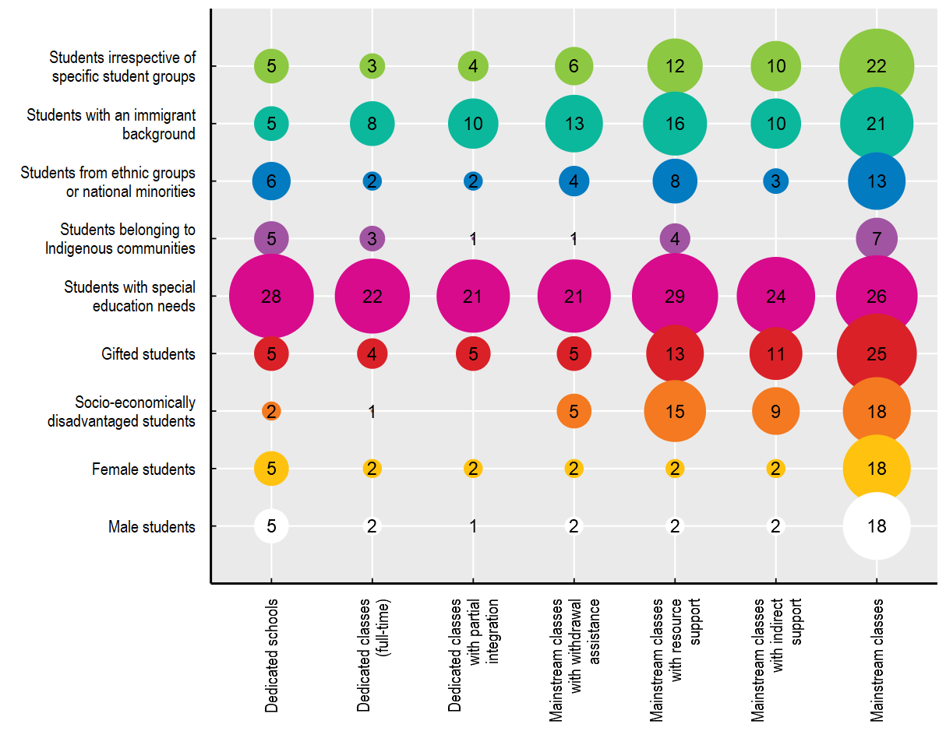

Note: This figure is based on answers to the question "Which education settings does the policy framework in your education jurisdiction provide for diverse groups of students at ISCED 2 level?". Thirty-three education systems responded to this question. Response options were not mutually exclusive. The numbers inside the bubbles indicate the sum of education systems that responded positively to the question above for that specific student group. Sizes of the bubbles are proportional to these sums.
Source: OECD (2022), Strength through Diversity Policy Survey 2022.

Row Number | Learning Setting | Group | Number Of Education Systems
1 | Dedicated schools | Students irrespective of specific student groups | 5
2 | Dedicated classes (full-time) | Students irrespective of specific student groups | 3
3 | Dedicated classes with partial integration | Students irrespective of specific student groups | 4
4 | Mainstream classes with withdrawal assistance | Students irrespective of specific student groups | 6
5 | Mainstream classes with resource support | Students irrespective of specific student groups | 12
6 | Mainstream classes with indirect support | Students irrespective of specific student groups | 10
7 | Mainstream classes | Students irrespective of specific student groups | 22
8 | Dedicated schools | Students with an immigrant background | 5
9 | Dedicated classes (full-time) | Students with an immigrant background | 8
10 | Dedicated classes with partial integration | Students with an immigrant background | 10
11 | Mainstream classes with withdrawal assistance | Students with an immigrant background | 13
12 | Mainstream classes with resource support | Students with an immigrant background | 16
13 | Mainstream classes with indirect support | Students with an immigrant background | 10
14 | Mainstream classes | Students with an immigrant background | 21
15 | Dedicated schools | Students from ethnic groups or national minorities | 6
16 | Dedicated classes (full-time) | Students from ethnic groups or national minorities | 2
17 | Dedicated classes with partial integration | Students from ethnic groups or national minorities | 2
18 | Mainstream classes with withdrawal assistance | Students from ethnic groups or national minorities | 4
19 | Mainstream classes with resource support | Students from ethnic groups or national minorities | 8
20 | Mainstream classes with indirect support | Students from ethnic groups or national minorities | 3
21 | Mainstream classes | Students from ethnic groups or national minorities | 13
22 | Dedicated schools | Students belonging to Indigenous communities | 5
23 | Dedicated classes (full-time) | Students belonging to Indigenous communities | 3
24 | Dedicated classes with partial integration | Students belonging to Indigenous communities | 1
25 | Mainstream classes with withdrawal assistance | Students belonging to Indigenous communities | 1
26 | Mainstream classes with resource support | Students belonging to Indigenous communities | 4
27 | Mainstream classes with indirect support | Students belonging to Indigenous communities | 0
28 | Mainstream classes | Students belonging to Indigenous communities | 7
29 | Dedicated schools | Students with special education needs | 28
30 | Dedicated classes (full-time) | Students with special education needs | 22
31 | Dedicated classes with partial integration | Students with special education needs | 21
32 | Mainstream classes with withdrawal assistance | Students with special education needs | 21
33 | Mainstream classes with resource support | Students with special education needs | 29
34 | Mainstream classes with indirect support | Students with special education needs | 24
35 | Mainstream classes | Students with special education needs | 26
36 | Dedicated schools | Gifted students | 5
37 | Dedicated classes (full-time) | Gifted students | 4
38 | Dedicated classes with partial integration | Gifted students | 5
39 | Mainstream classes with withdrawal assistance | Gifted students | 5
40 | Mainstream classes with resource support | Gifted students | 13
41 | Mainstream classes with indirect support | Gifted students | 11
42 | Mainstream classes | Gifted students | 25
43 | Dedicated schools | Socio-economically disadvantaged students | 2
44 | Dedicated classes (full-time) | Socio-economically disadvantaged students | 1
45 | Dedicated classes with partial integration | Socio-economically disadvantaged students | 0
46 | Mainstream classes with withdrawal assistance | Socio-economically disadvantaged students | 5
47 | Mainstream classes with resource support | Socio-economically disadvantaged students | 15
48 | Mainstream classes with indirect support | Socio-economically disadvantaged students | 9
49 | Mainstream classes | Socio-economically disadvantaged students | 18
50 | Dedicated schools | Female students | 5
51 | Dedicated classes (full-time) | Female students | 2
52 | Dedicated classes with partial integration | Female students | 2
53 | Mainstream classes with withdrawal assistance | Female students | 2
54 | Mainstream classes with resource support | Female students | 2
55 | Mainstream classes with indirect support | Female students | 2
56 | Mainstream classes | Female students | 18
57 | Dedicated schools | Male students | 5
58 | Dedicated classes (full-time) | Male students | 2
59 | Dedicated classes with partial integration | Male students | 1
60 | Mainstream classes with withdrawal assistance | Male students | 2
61 | Mainstream classes with resource support | Male students | 2
62 | Mainstream classes with indirect support | Male students | 2
63 | Mainstream classes | Male students | 18

