Figure 1.2
Mean and median household net wealth
2015 or latest available year

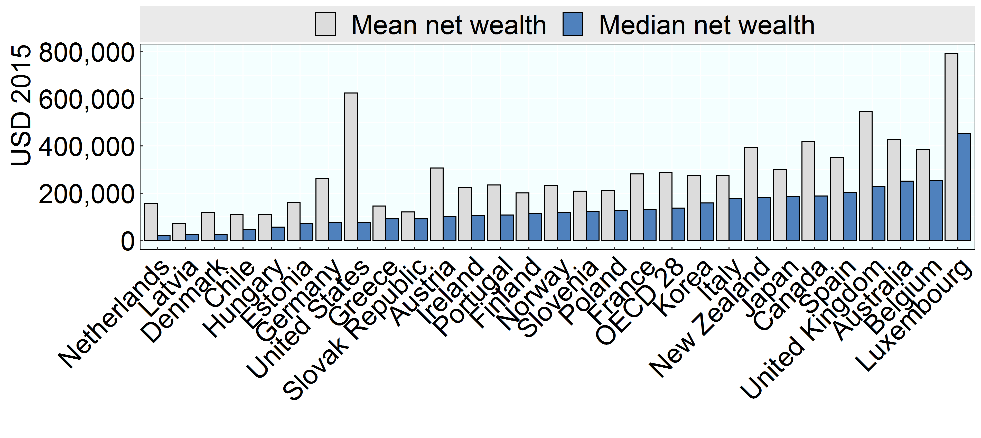

Note: Netherlands: Mean net wealth likely understates household wealth as it does not include occupational pensions, which are an important component of the wealth portfolio of many Dutch households.
Source: OECD Wealth Distribution Database, oe.cd/wealth; Balestra and Tonkin, 2018.

Row Number | Country | Variable | Value
1 | Latvia | Mean net wealth | 70,280
2 | Hungary | Mean net wealth | 107,861
3 | Chile | Mean net wealth | 108,518
4 | Slovak Republic | Mean net wealth | 120,037
5 | Greece | Mean net wealth | 145,366
6 | Estonia | Mean net wealth | 161,182
7 | Finland | Mean net wealth | 200,423
8 | Slovenia | Mean net wealth | 208,264
9 | Poland | Mean net wealth | 211,635
10 | Denmark | Mean net wealth | 119,750
11 | Portugal | Mean net wealth | 235,076
12 | Ireland | Mean net wealth | 223,653
13 | Germany | Mean net wealth | 261,496
14 | Italy | Mean net wealth | 274,011
15 | France | Mean net wealth | 281,537
16 | Austria | Mean net wealth | 306,510
17 | Spain | Mean net wealth | 350,752
18 | Belgium | Mean net wealth | 384,270
19 | Australia | Mean net wealth | 428,658
20 | Canada | Mean net wealth | 417,301
21 | United Kingdom | Mean net wealth | 546,357
22 | United States | Mean net wealth | 624,225
23 | Luxembourg | Mean net wealth | 793,008
24 | Japan | Mean net wealth | 300,754
25 | Korea | Mean net wealth | 274,104
26 | Netherlands | Mean net wealth | 157,772
27 | Norway | Mean net wealth | 233,180
28 | New Zealand | Mean net wealth | 394,797
29 | OECD 28 | Mean net wealth | 286,942
30 | Latvia | Median net wealth | 24,887
31 | Chile | Median net wealth | 45,394
32 | Hungary | Median net wealth | 55,606
33 | Slovak Republic | Median net wealth | 91,447
34 | Denmark | Median net wealth | 25,581
35 | Netherlands | Median net wealth | 19,427
36 | Greece | Median net wealth | 90,761
37 | Estonia | Median net wealth | 72,244
38 | Finland | Median net wealth | 112,869
39 | Slovenia | Median net wealth | 121,535
40 | Poland | Median net wealth | 125,328
41 | Norway | Median net wealth | 119,358
42 | Ireland | Median net wealth | 103,996
43 | Portugal | Median net wealth | 107,344
44 | Germany | Median net wealth | 74,192
45 | Korea | Median net wealth | 158,934
46 | Italy | Median net wealth | 176,952
47 | OECD 28 | Median net wealth | 136,740
48 | France | Median net wealth | 131,198
49 | Austria | Median net wealth | 101,904
50 | Japan | Median net wealth | 186,125
51 | Spain | Median net wealth | 204,671
52 | Belgium | Median net wealth | 253,580
53 | New Zealand | Median net wealth | 180,859
54 | Canada | Median net wealth | 187,477
55 | Australia | Median net wealth | 250,603
56 | United Kingdom | Median net wealth | 229,583
57 | United States | Median net wealth | 76,436
58 | Luxembourg | Median net wealth | 451,519

