Figure 1.1
Mean household wealth and liabilities, per household
2015 or latest available year

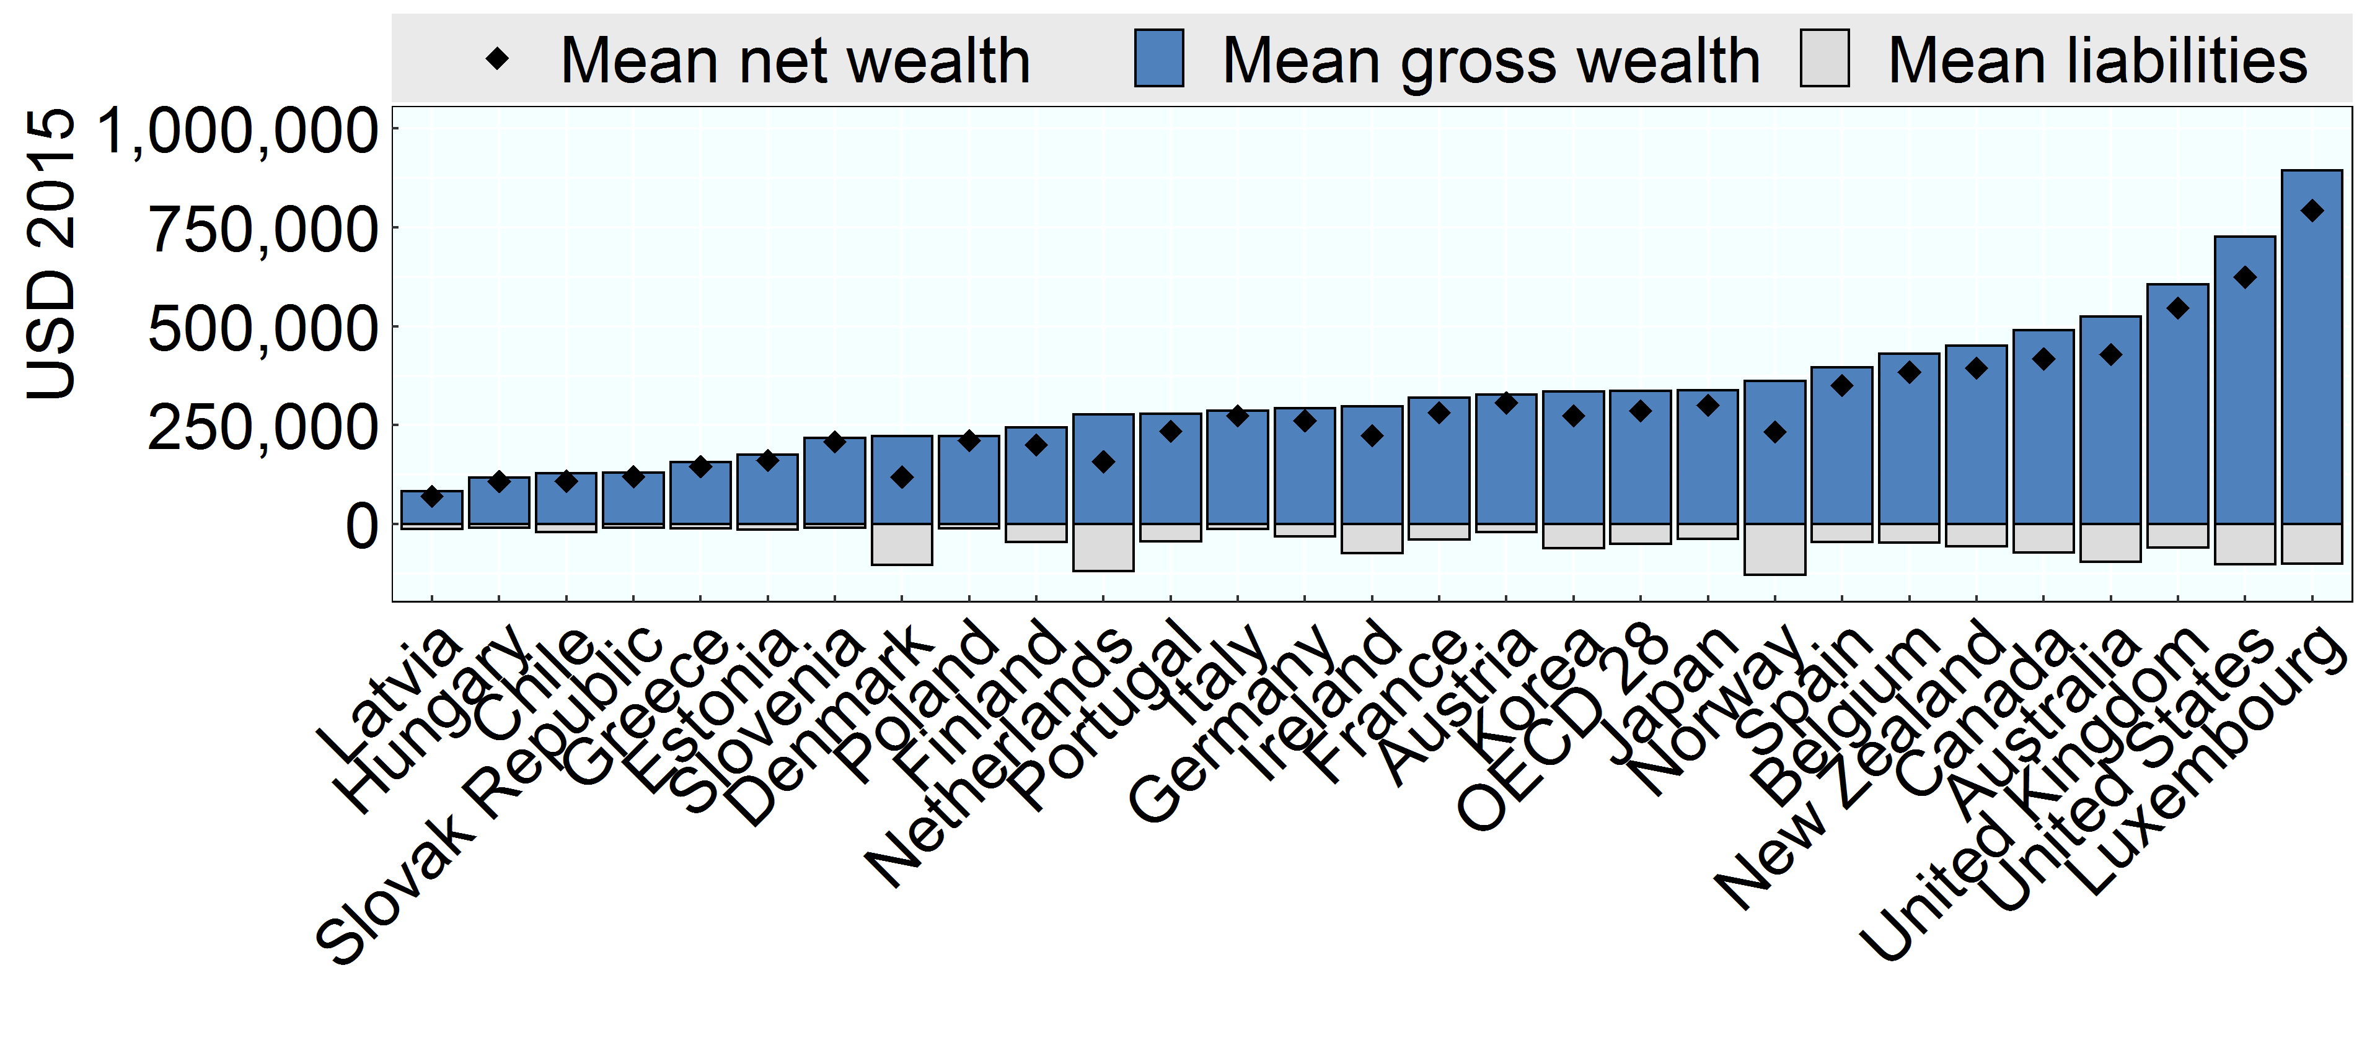

Note: Netherlands: Mean net wealth likely understates household wealth as it does not include occupational pensions, which are an important component of the wealth portfolio of many Dutch households.
Source: OECD Wealth Distribution Database, oe.cd/wealth.

Row Number | Country | Variable | Value
1 | Australia | Mean net wealth | 428,658
2 | Austria | Mean net wealth | 306,510
3 | Belgium | Mean net wealth | 384,270
4 | Canada | Mean net wealth | 417,301
5 | Chile | Mean net wealth | 108,518
6 | Germany | Mean net wealth | 261,496
7 | Denmark | Mean net wealth | 119,750
8 | Spain | Mean net wealth | 350,752
9 | Estonia | Mean net wealth | 161,182
10 | Finland | Mean net wealth | 200,423
11 | France | Mean net wealth | 281,537
12 | United Kingdom | Mean net wealth | 546,357
13 | Greece | Mean net wealth | 145,366
14 | Hungary | Mean net wealth | 107,861
15 | Ireland | Mean net wealth | 223,653
16 | Italy | Mean net wealth | 274,011
17 | Japan | Mean net wealth | 300,754
18 | Korea | Mean net wealth | 274,104
19 | Luxembourg | Mean net wealth | 793,008
20 | Latvia | Mean net wealth | 70,280
21 | Netherlands | Mean net wealth | 157,772
22 | Norway | Mean net wealth | 233,180
23 | New Zealand | Mean net wealth | 394,797
24 | OECD 28 | Mean net wealth | 286,942
25 | Poland | Mean net wealth | 211,635
26 | Portugal | Mean net wealth | 235,076
27 | Slovak Republic | Mean net wealth | 120,037
28 | Slovenia | Mean net wealth | 208,264
29 | United States | Mean net wealth | 624,225
30 | Australia | Mean liabilities | -95,569
31 | Austria | Mean liabilities | -20,453
32 | Belgium | Mean liabilities | -46,196
33 | Canada | Mean liabilities | -72,637
34 | Chile | Mean liabilities | -19,880
35 | Germany | Mean liabilities | -31,407
36 | Denmark | Mean liabilities | -102,583
37 | Spain | Mean liabilities | -44,690
38 | Estonia | Mean liabilities | -14,321
39 | Finland | Mean liabilities | -44,593
40 | France | Mean liabilities | -38,586
41 | United Kingdom | Mean liabilities | -59,591
42 | Greece | Mean liabilities | -10,543
43 | Hungary | Mean liabilities | -9,908
44 | Ireland | Mean liabilities | -73,329
45 | Italy | Mean liabilities | -12,002
46 | Japan | Mean liabilities | -37,970
47 | Korea | Mean liabilities | -60,318
48 | Luxembourg | Mean liabilities | -100,432
49 | Latvia | Mean liabilities | -13,168
50 | Netherlands | Mean liabilities | -118,694
51 | Norway | Mean liabilities | -129,005
52 | New Zealand | Mean liabilities | -56,216
53 | OECD 28 | Mean liabilities | -50,043
54 | Poland | Mean liabilities | -11,199
55 | Portugal | Mean liabilities | -43,432
56 | Slovak Republic | Mean liabilities | -9,798
57 | Slovenia | Mean liabilities | -9,976
58 | United States | Mean liabilities | -101,618
59 | Australia | Mean gross wealth | 524,227
60 | Austria | Mean gross wealth | 326,963
61 | Belgium | Mean gross wealth | 430,466
62 | Canada | Mean gross wealth | 489,938
63 | Chile | Mean gross wealth | 128,398
64 | Germany | Mean gross wealth | 292,903
65 | Denmark | Mean gross wealth | 222,333
66 | Spain | Mean gross wealth | 395,441
67 | Estonia | Mean gross wealth | 175,503
68 | Finland | Mean gross wealth | 245,016
69 | France | Mean gross wealth | 320,123
70 | United Kingdom | Mean gross wealth | 605,949
71 | Greece | Mean gross wealth | 155,908
72 | Hungary | Mean gross wealth | 117,769
73 | Ireland | Mean gross wealth | 296,981
74 | Italy | Mean gross wealth | 286,013
75 | Japan | Mean gross wealth | 338,723
76 | Korea | Mean gross wealth | 334,422
77 | Luxembourg | Mean gross wealth | 893,440
78 | Latvia | Mean gross wealth | 83,449
79 | Netherlands | Mean gross wealth | 276,467
80 | Norway | Mean gross wealth | 362,185
81 | New Zealand | Mean gross wealth | 451,013
82 | OECD 28 | Mean gross wealth | 336,985
83 | Poland | Mean gross wealth | 222,834
84 | Portugal | Mean gross wealth | 278,508
85 | Slovak Republic | Mean gross wealth | 129,835
86 | Slovenia | Mean gross wealth | 218,240
87 | United States | Mean gross wealth | 725,843

