Figure 1.13
Mean net financial and real estate wealth normalised to 55-64 year olds, OECD 28 average
2015 or latest available year

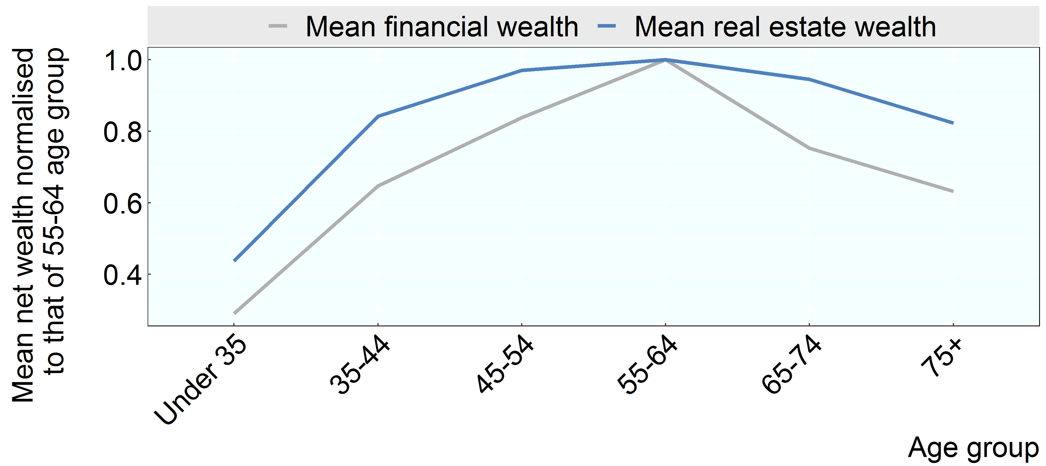

Note: The age group of each household is that of the household head.
Source: OECD Wealth Distribution Database, oe.cd/wealth.

Row Number | Variable | Group | Value
1 | Mean financial wealth | Under 35 | 0.29
2 | Mean financial wealth | 35-44 | 0.65
3 | Mean financial wealth | 45-54 | 0.84
4 | Mean financial wealth | 55-64 | 1.00
5 | Mean financial wealth | 65-74 | 0.75
6 | Mean financial wealth | 75+ | 0.63
1 | Mean real estate wealth | Under 35 | 0.44
2 | Mean real estate wealth | 35-44 | 0.84
3 | Mean real estate wealth | 45-54 | 0.97
4 | Mean real estate wealth | 55-64 | 1.00
5 | Mean real estate wealth | 65-74 | 0.95
6 | Mean real estate wealth | 75+ | 0.82

