Figure 3.12
Minimim and maximum inheritance and estate tax rates, four groups of beneficiaries

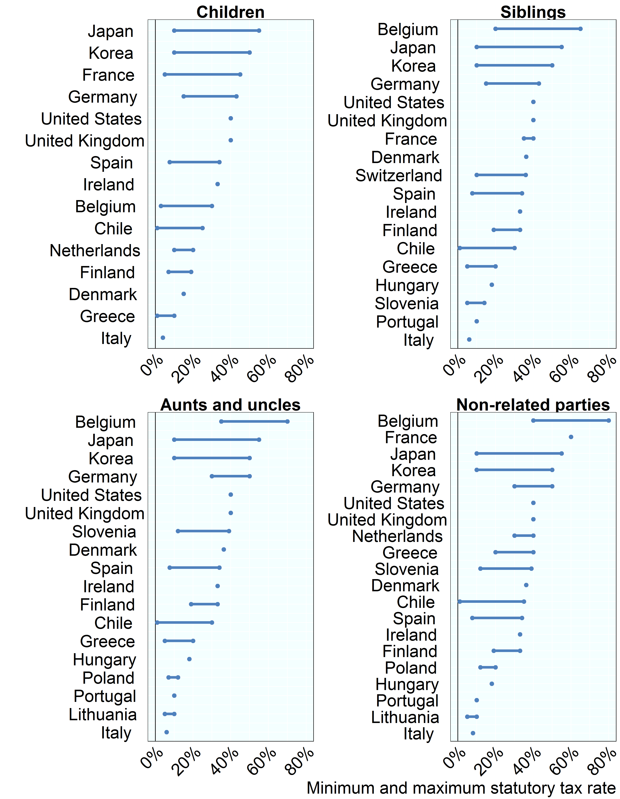

Note: Children are exempt in Hungary, Lithuania, Poland, Portugal, Slovenia, Switzerland. Siblings and siblings by marriage of a parent are exempt in Lithuania, Poland. Belgium: refers to the Brussels-Capital Region. Switzerland: refers to the canton of Zurich.
Source: OECD Questionnaire on Inheritance, Estate, and Gift Taxes

Row Number | Country | Rship | Tax Rate
1 | Belgium | Children | 3%
2 | Belgium | Children | 30%
3 | Belgium | Siblings | 20%
4 | Belgium | Siblings | 65%
5 | Belgium | Aunts and uncles | 35%
6 | Belgium | Aunts and uncles | 70%
7 | Belgium | Non-related parties | 40%
8 | Belgium | Non-related parties | 80%
9 | Chile | Children | 1%
10 | Chile | Children | 25%
11 | Chile | Siblings | 1%
12 | Chile | Siblings | 30%
13 | Chile | Non-related parties | 1%
14 | Chile | Non-related parties | 35%
15 | Chile | Aunts and uncles | 1%
16 | Chile | Aunts and uncles | 30%
17 | Denmark | Children | 15%
18 | Denmark | Siblings | 36%
19 | Denmark | Non-related parties | 36%
20 | Denmark | Aunts and uncles | 36%
21 | Finland | Children | 7%
22 | Finland | Children | 19%
23 | Finland | Siblings | 19%
24 | Finland | Siblings | 33%
25 | Finland | Non-related parties | 19%
26 | Finland | Non-related parties | 33%
27 | Finland | Aunts and uncles | 19%
28 | Finland | Aunts and uncles | 33%
29 | France | Children | 5%
30 | France | Children | 45%
31 | France | Siblings | 35%
32 | France | Siblings | 40%
33 | France | Non-related parties | 60%
34 | Germany | Children | 15%
35 | Germany | Children | 43%
36 | Germany | Siblings | 15%
37 | Germany | Siblings | 43%
38 | Germany | Non-related parties | 30%
39 | Germany | Non-related parties | 50%
40 | Germany | Aunts and uncles | 30%
41 | Germany | Aunts and uncles | 50%
42 | Greece | Children | 1%
43 | Greece | Children | 10%
44 | Greece | Siblings | 5%
45 | Greece | Siblings | 20%
46 | Greece | Aunts and uncles | 5%
47 | Greece | Aunts and uncles | 20%
48 | Greece | Non-related parties | 20%
49 | Greece | Non-related parties | 40%
50 | Hungary | Siblings | 18%
51 | Hungary | Non-related parties | 18%
52 | Hungary | Aunts and uncles | 18%
53 | Ireland | Children | 33%
54 | Ireland | Siblings | 33%
55 | Ireland | Non-related parties | 33%
56 | Ireland | Aunts and uncles | 33%
57 | Italy | Children | 4%
58 | Italy | Siblings | 6%
59 | Italy | Non-related parties | 8%
60 | Italy | Aunts and uncles | 6%
61 | Japan | Children | 10%
62 | Japan | Children | 55%
63 | Japan | Siblings | 10%
64 | Japan | Siblings | 55%
65 | Japan | Non-related parties | 10%
66 | Japan | Non-related parties | 55%
67 | Japan | Aunts and uncles | 10%
68 | Japan | Aunts and uncles | 55%
69 | Korea | Children | 10%
70 | Korea | Children | 50%
71 | Korea | Siblings | 10%
72 | Korea | Siblings | 50%
73 | Korea | Non-related parties | 10%
74 | Korea | Non-related parties | 50%
75 | Korea | Aunts and uncles | 10%
76 | Korea | Aunts and uncles | 50%
77 | Lithuania | Non-related parties | 5%
78 | Lithuania | Non-related parties | 10%
79 | Lithuania | Aunts and uncles | 5%
80 | Lithuania | Aunts and uncles | 10%
81 | Netherlands | Children | 10%
82 | Netherlands | Children | 20%
83 | Netherlands | Non-related parties | 30%
84 | Netherlands | Non-related parties | 40%
85 | Poland | Non-related parties | 12%
86 | Poland | Non-related parties | 20%
87 | Poland | Aunts and uncles | 7%
88 | Poland | Aunts and uncles | 12%
89 | Portugal | Siblings | 10%
90 | Portugal | Non-related parties | 10%
91 | Portugal | Aunts and uncles | 10%
92 | Slovenia | Siblings | 5%
93 | Slovenia | Siblings | 14%
94 | Slovenia | Non-related parties | 12%
95 | Slovenia | Non-related parties | 39%
96 | Slovenia | Aunts and uncles | 12%
97 | Slovenia | Aunts and uncles | 39%
98 | Spain | Children | 8%
99 | Spain | Children | 34%
100 | Spain | Siblings | 8%
101 | Spain | Siblings | 34%
102 | Spain | Non-related parties | 8%
103 | Spain | Non-related parties | 34%
104 | Spain | Aunts and uncles | 8%
105 | Spain | Aunts and uncles | 34%
106 | Switzerland | Siblings | 10%
107 | Switzerland | Siblings | 36%
108 | United Kingdom | Children | 40%
109 | United Kingdom | Siblings | 40%
110 | United Kingdom | Non-related parties | 40%
111 | United Kingdom | Aunts and uncles | 40%
112 | United States | Children | 40%
113 | United States | Siblings | 40%
114 | United States | Non-related parties | 40%
115 | United States | Aunts and uncles | 40%

