Figure 1.19
Ratio of inherited wealth to net wealth, second and fifth wealth quintiles
2015 or latest available year

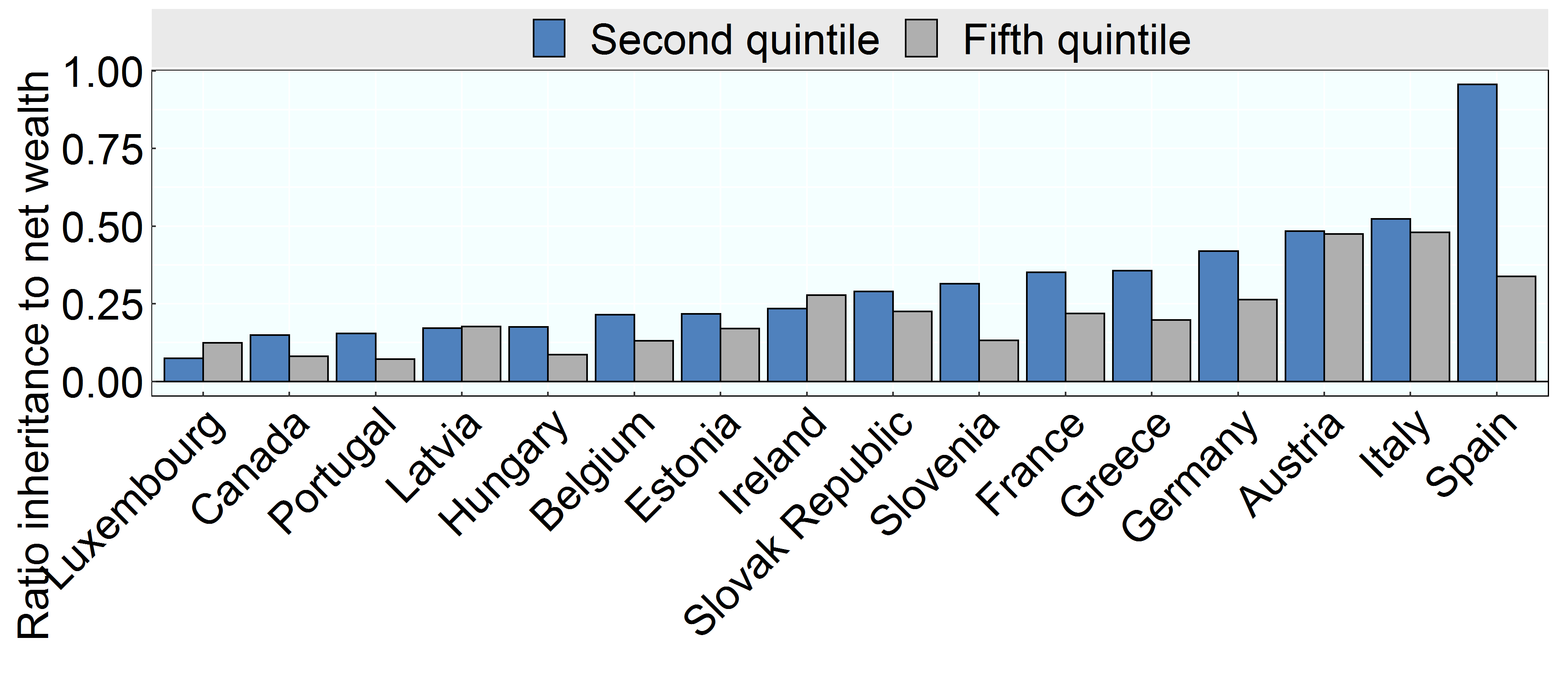

Note: Data were not available for Finland and the Netherlands. Data for Poland removed due to data issues. This graph shows the ratio of inherited wealth to net wealth for households in second and fifth quintiles, as households in the first quintile had negative wealth in several countries.
Source: OECD Wealth Distribution Database, oe.cd/wealth.

Row Number | Country | Group | Variable | Value
1 | Austria | Second quintile | Ratio of mean inheritance and gifts and mean net wealth | 0.48
2 | Austria | Fifth quintile | Ratio of mean inheritance and gifts and mean net wealth | 0.47
3 | Belgium | Second quintile | Ratio of mean inheritance and gifts and mean net wealth | 0.21
4 | Belgium | Fifth quintile | Ratio of mean inheritance and gifts and mean net wealth | 0.13
5 | Canada | Second quintile | Ratio of mean inheritance and gifts and mean net wealth | 0.15
6 | Canada | Fifth quintile | Ratio of mean inheritance and gifts and mean net wealth | 0.08
7 | Germany | Second quintile | Ratio of mean inheritance and gifts and mean net wealth | 0.42
8 | Germany | Fifth quintile | Ratio of mean inheritance and gifts and mean net wealth | 0.26
9 | Estonia | Second quintile | Ratio of mean inheritance and gifts and mean net wealth | 0.22
10 | Estonia | Fifth quintile | Ratio of mean inheritance and gifts and mean net wealth | 0.17
11 | Spain | Second quintile | Ratio of mean inheritance and gifts and mean net wealth | 0.96
12 | Spain | Fifth quintile | Ratio of mean inheritance and gifts and mean net wealth | 0.34
13 | France | Second quintile | Ratio of mean inheritance and gifts and mean net wealth | 0.35
14 | France | Fifth quintile | Ratio of mean inheritance and gifts and mean net wealth | 0.22
15 | Greece | Second quintile | Ratio of mean inheritance and gifts and mean net wealth | 0.36
16 | Greece | Fifth quintile | Ratio of mean inheritance and gifts and mean net wealth | 0.20
17 | Hungary | Second quintile | Ratio of mean inheritance and gifts and mean net wealth | 0.18
18 | Hungary | Fifth quintile | Ratio of mean inheritance and gifts and mean net wealth | 0.09
19 | Ireland | Second quintile | Ratio of mean inheritance and gifts and mean net wealth | 0.23
20 | Ireland | Fifth quintile | Ratio of mean inheritance and gifts and mean net wealth | 0.28
21 | Italy | Second quintile | Ratio of mean inheritance and gifts and mean net wealth | 0.52
22 | Italy | Fifth quintile | Ratio of mean inheritance and gifts and mean net wealth | 0.48
23 | Luxembourg | Second quintile | Ratio of mean inheritance and gifts and mean net wealth | 0.07
24 | Luxembourg | Fifth quintile | Ratio of mean inheritance and gifts and mean net wealth | 0.12
25 | Latvia | Second quintile | Ratio of mean inheritance and gifts and mean net wealth | 0.17
26 | Latvia | Fifth quintile | Ratio of mean inheritance and gifts and mean net wealth | 0.18
27 | Portugal | Second quintile | Ratio of mean inheritance and gifts and mean net wealth | 0.15
28 | Portugal | Fifth quintile | Ratio of mean inheritance and gifts and mean net wealth | 0.07
29 | Slovenia | Second quintile | Ratio of mean inheritance and gifts and mean net wealth | 0.31
30 | Slovenia | Fifth quintile | Ratio of mean inheritance and gifts and mean net wealth | 0.13
31 | Slovak Republic | Second quintile | Ratio of mean inheritance and gifts and mean net wealth | 0.29
32 | Slovak Republic | Fifth quintile | Ratio of mean inheritance and gifts and mean net wealth | 0.23

