Figure 1.5
Share of total net household wealth held by the top ten percent of the wealth distribution
2015 or latest available year

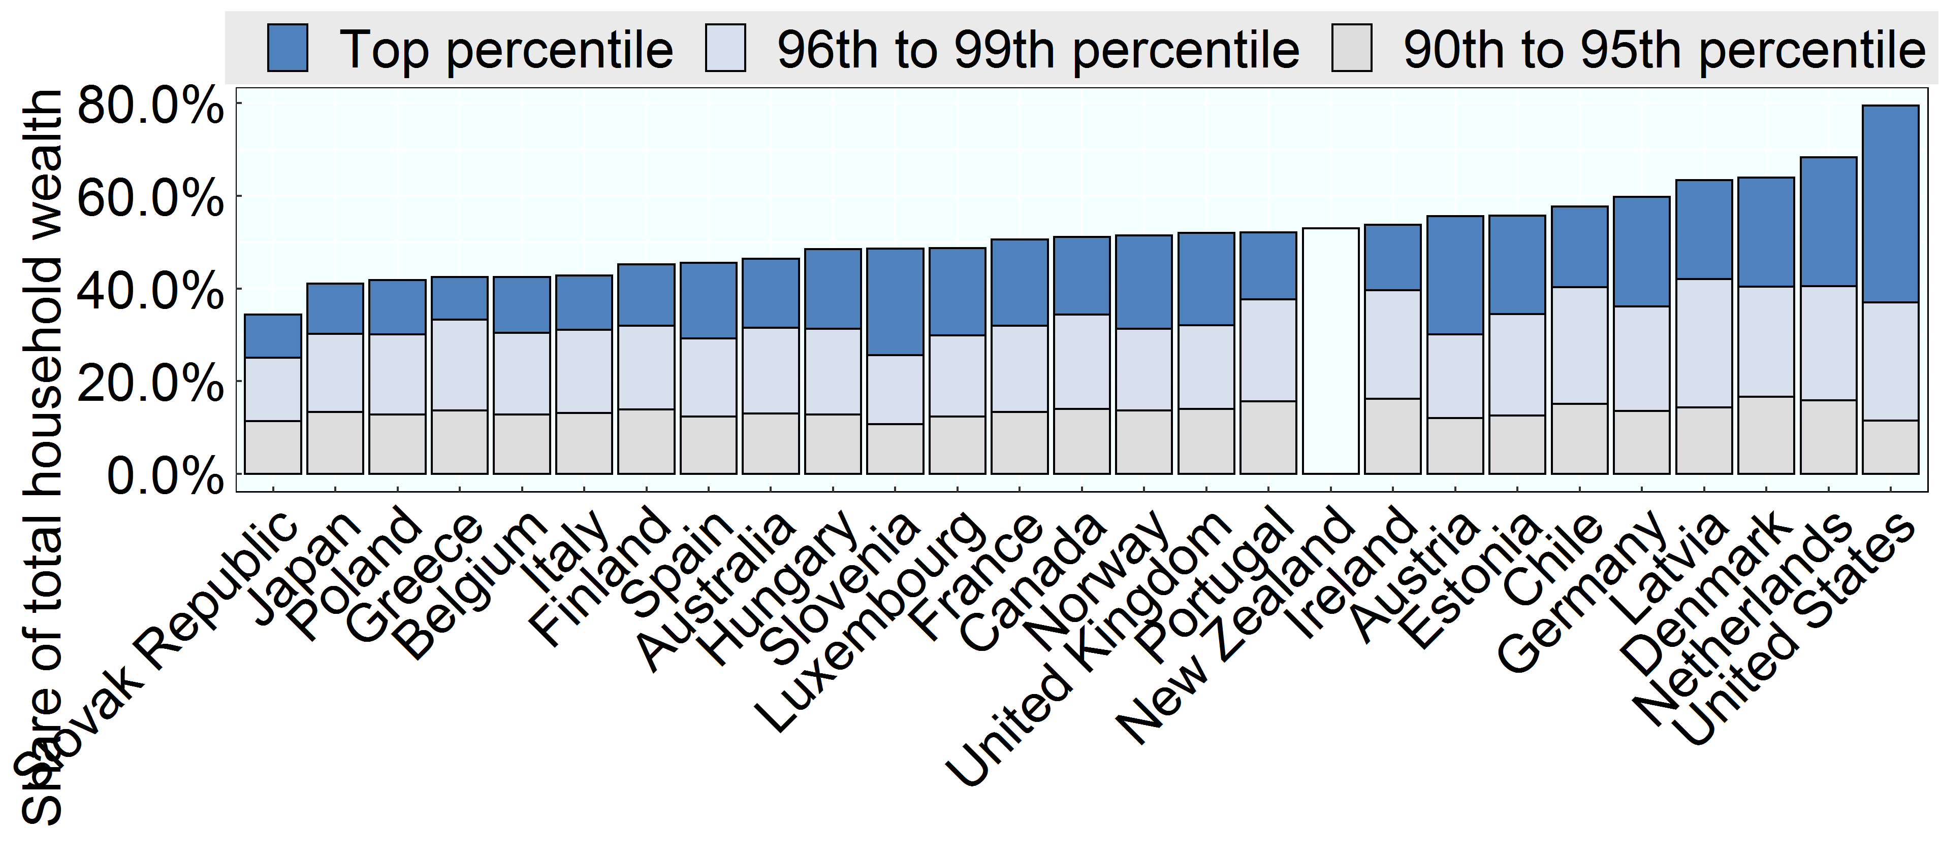

Note: Data were not available for Korea and a breakdown of wealth held by the top ten percent was not available for New Zealand. Netherlands: figure does not include occupational pensions, which are an important component of the wealth portfolio of many Dutch households.
Source: OECD Wealth Distribution Database, oe.cd/wealth.

Row Number | Country | Variable | Group | Value
1 | Slovak Republic | Share of net wealth | 90th to 95th percentile | 11%
2 | Japan | Share of net wealth | 90th to 95th percentile | 13%
3 | Poland | Share of net wealth | 90th to 95th percentile | 13%
4 | Greece | Share of net wealth | 90th to 95th percentile | 14%
5 | Belgium | Share of net wealth | 90th to 95th percentile | 13%
6 | Italy | Share of net wealth | 90th to 95th percentile | 13%
7 | Finland | Share of net wealth | 90th to 95th percentile | 14%
8 | Spain | Share of net wealth | 90th to 95th percentile | 12%
9 | Australia | Share of net wealth | 90th to 95th percentile | 13%
10 | Hungary | Share of net wealth | 90th to 95th percentile | 13%
11 | Slovenia | Share of net wealth | 90th to 95th percentile | 11%
12 | Luxembourg | Share of net wealth | 90th to 95th percentile | 12%
13 | France | Share of net wealth | 90th to 95th percentile | 13%
14 | Canada | Share of net wealth | 90th to 95th percentile | 14%
15 | Norway | Share of net wealth | 90th to 95th percentile | 14%
16 | United Kingdom | Share of net wealth | 90th to 95th percentile | 14%
17 | Portugal | Share of net wealth | 90th to 95th percentile | 16%
18 | New Zealand | Share of net wealth | 90th to 95th percentile | 0%
19 | Ireland | Share of net wealth | 90th to 95th percentile | 16%
20 | Austria | Share of net wealth | 90th to 95th percentile | 12%
21 | Estonia | Share of net wealth | 90th to 95th percentile | 13%
22 | Chile | Share of net wealth | 90th to 95th percentile | 15%
23 | Germany | Share of net wealth | 90th to 95th percentile | 14%
24 | Latvia | Share of net wealth | 90th to 95th percentile | 14%
25 | Denmark | Share of net wealth | 90th to 95th percentile | 17%
26 | Netherlands | Share of net wealth | 90th to 95th percentile | 16%
27 | United States | Share of net wealth | 90th to 95th percentile | 11%
28 | Slovak Republic | Share of net wealth | 96th to 99th percentile | 14%
29 | Japan | Share of net wealth | 96th to 99th percentile | 17%
30 | Poland | Share of net wealth | 96th to 99th percentile | 17%
31 | Greece | Share of net wealth | 96th to 99th percentile | 20%
32 | Belgium | Share of net wealth | 96th to 99th percentile | 18%
33 | Italy | Share of net wealth | 96th to 99th percentile | 18%
34 | Finland | Share of net wealth | 96th to 99th percentile | 18%
35 | Spain | Share of net wealth | 96th to 99th percentile | 17%
36 | Australia | Share of net wealth | 96th to 99th percentile | 19%
37 | Hungary | Share of net wealth | 96th to 99th percentile | 18%
38 | Slovenia | Share of net wealth | 96th to 99th percentile | 15%
39 | Luxembourg | Share of net wealth | 96th to 99th percentile | 17%
40 | France | Share of net wealth | 96th to 99th percentile | 19%
41 | Canada | Share of net wealth | 96th to 99th percentile | 20%
42 | Norway | Share of net wealth | 96th to 99th percentile | 18%
43 | United Kingdom | Share of net wealth | 96th to 99th percentile | 18%
44 | Portugal | Share of net wealth | 96th to 99th percentile | 22%
45 | New Zealand | Share of net wealth | 96th to 99th percentile | 0%
46 | Ireland | Share of net wealth | 96th to 99th percentile | 23%
47 | Austria | Share of net wealth | 96th to 99th percentile | 18%
48 | Estonia | Share of net wealth | 96th to 99th percentile | 22%
49 | Chile | Share of net wealth | 96th to 99th percentile | 25%
50 | Germany | Share of net wealth | 96th to 99th percentile | 23%
51 | Latvia | Share of net wealth | 96th to 99th percentile | 28%
52 | Denmark | Share of net wealth | 96th to 99th percentile | 24%
53 | Netherlands | Share of net wealth | 96th to 99th percentile | 25%
54 | United States | Share of net wealth | 96th to 99th percentile | 26%
55 | Slovak Republic | Share of net wealth | Top percentile | 9%
56 | Japan | Share of net wealth | Top percentile | 11%
57 | Poland | Share of net wealth | Top percentile | 12%
58 | Greece | Share of net wealth | Top percentile | 9%
59 | Belgium | Share of net wealth | Top percentile | 12%
60 | Italy | Share of net wealth | Top percentile | 12%
61 | Finland | Share of net wealth | Top percentile | 13%
62 | Spain | Share of net wealth | Top percentile | 16%
63 | Australia | Share of net wealth | Top percentile | 15%
64 | Hungary | Share of net wealth | Top percentile | 17%
65 | Slovenia | Share of net wealth | Top percentile | 23%
66 | Luxembourg | Share of net wealth | Top percentile | 19%
67 | France | Share of net wealth | Top percentile | 19%
68 | Canada | Share of net wealth | Top percentile | 17%
69 | Norway | Share of net wealth | Top percentile | 20%
70 | United Kingdom | Share of net wealth | Top percentile | 20%
71 | Portugal | Share of net wealth | Top percentile | 14%
72 | New Zealand | Share of net wealth | Top percentile | 0%
73 | Ireland | Share of net wealth | Top percentile | 14%
74 | Austria | Share of net wealth | Top percentile | 26%
75 | Estonia | Share of net wealth | Top percentile | 21%
76 | Chile | Share of net wealth | Top percentile | 17%
77 | Germany | Share of net wealth | Top percentile | 24%
78 | Latvia | Share of net wealth | Top percentile | 21%
79 | Denmark | Share of net wealth | Top percentile | 24%
80 | Netherlands | Share of net wealth | Top percentile | 28%
81 | United States | Share of net wealth | Top percentile | 42%
82 | Australia | Share of net wealth | Top 10% | 46%
83 | Austria | Share of net wealth | Top 10% | 56%
84 | Belgium | Share of net wealth | Top 10% | 42%
85 | Canada | Share of net wealth | Top 10% | 51%
86 | Chile | Share of net wealth | Top 10% | 58%
87 | Denmark | Share of net wealth | Top 10% | 64%
88 | Estonia | Share of net wealth | Top 10% | 56%
89 | Finland | Share of net wealth | Top 10% | 45%
90 | France | Share of net wealth | Top 10% | 51%
91 | Germany | Share of net wealth | Top 10% | 60%
92 | Greece | Share of net wealth | Top 10% | 42%
93 | Hungary | Share of net wealth | Top 10% | 48%
94 | Ireland | Share of net wealth | Top 10% | 54%
95 | Italy | Share of net wealth | Top 10% | 43%
96 | Japan | Share of net wealth | Top 10% | 41%
97 | Latvia | Share of net wealth | Top 10% | 63%
98 | Luxembourg | Share of net wealth | Top 10% | 49%
99 | Netherlands | Share of net wealth | Top 10% | 68%
100 | New Zealand | Share of net wealth | Top 10% | 53%
101 | Norway | Share of net wealth | Top 10% | 51%
102 | Poland | Share of net wealth | Top 10% | 42%
103 | Portugal | Share of net wealth | Top 10% | 52%
104 | Slovak Republic | Share of net wealth | Top 10% | 34%
105 | Slovenia | Share of net wealth | Top 10% | 49%
106 | Spain | Share of net wealth | Top 10% | 46%
107 | United Kingdom | Share of net wealth | Top 10% | 52%
108 | United States | Share of net wealth | Top 10% | 79%

