OECD.Stat export
SME and Entrepreneurship Policy in Ireland - © OECD 2019
Chapter 3 | Figure 3.14. Statutory corporate tax rates, 2018
Version 1 - Last updated: 23-Sep-2019
Disclaimer: http://oe.cd/disclaimer

Dataset: Table II.1. Statutory corporate income tax rate
Year |  | 2019
Unit |  | Percentage
Corporate income tax rate |  | Central government | Combined corporate income tax rate

Country
Australia |  |  |  | 30.00
Austria |  |  |  | 25.00
Belgium | i |  |  | 29.58
Canada |  |  |  | 26.80 |  | Figure 3.16. Statutory corporate tax rates, 2018
Chile | i |  |  | 25.00
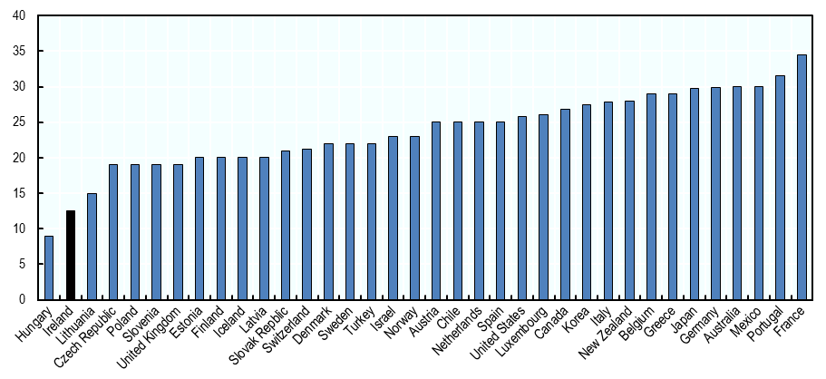
Czech Republic |  |  |  | 19.00
Denmark |  |  |  | 22.00
Estonia |  |  |  | 20.00
Finland |  |  |  | 20.00
France | i |  |  | 32.02
Germany |  |  |  | 29.89
Greece |  |  |  | 28.00
Hungary | i |  |  | 9.00
Iceland | i |  |  | 20.00 | Source: (OECD, 2018[62]).
Ireland |  |  |  | 12.50
Israel |  |  |  | 23.00
Italy |  |  |  | 27.81
Japan | i |  |  | 29.74
Korea |  |  |  | 27.50
Latvia |  |  |  | 20.00
Lithuania |  |  |  | 15.00
Luxembourg | i |  |  | 24.94
Mexico |  |  |  | 30.00
Netherlands | i |  |  | 25.00
New Zealand |  |  |  | 28.00
Norway |  |  |  | 22.00
Poland | i |  |  | 19.00
Portugal |  |  |  | 31.50
Slovak Republic |  |  |  | 21.00
Slovenia |  |  |  | 19.00
Spain |  |  |  | 25.00
Sweden |  |  |  | 21.40
Switzerland | i |  |  | 21.15
Turkey | i |  |  | 22.00
United Kingdom |  |  |  | 19.00
United States |  |  |  | 25.89
Data extracted on 22 Jul 2019 14:42 UTC (GMT) from OECD.Stat

