Fig_1.9
OECD Economic Surveys: Mexico 2019 - © OECD 2019
Chapter 1 | Figure 1.9. The ease of doing business varies greatly across Mexican states
Version 1 - Last updated: 26-Apr-2019
Disclaimer: http://oe.cd/disclaimer

Figure 1.9. The ease of doing business varies greatly across Mexican states
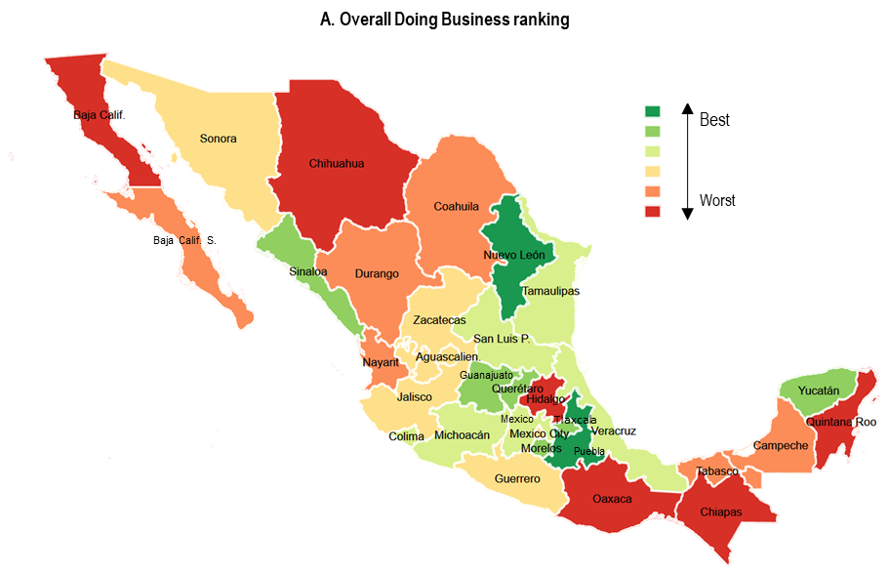

B. Ease of Doing Business Indicators Ranking, 1-189 economies, 2016 or latest available year
 | Highest | Lowest | MEX average | OECD average
Starting a business (overall rank) | 68 | 144 | 88.5625 | 46.216216216
Dealing with construction permits (overall rank) | 1 | 82 | 22.0625 | 47.567567568
Building quality control index (rank) | 9 | 139 | 45.84375 | 54.567567568
Registering property (overall rank) | 39 | 121 | 76.75 | 44.351351351
Quality of land administration index (rank) | 44 | 159 | 92.28125 | 34.594594595
Enforcing contracts (overall rank) | 3 | 84 | 25.5 | 47.27027027
Quality of judicial processes index (rank) | 11 | 134 | 53.875 | 39.216216216

Note: "Highest" and "lowest" refer to rankings for Mexican states. Data for Mexican states are for 2016.
Source: World Bank Doing Business Indicators; and World Bank Doing Business in Mexico 2016.

A. Starting a Business |  | B. Ease of Doing Business Indicators
Aguascalientes | 16 | Doing Business ranking (1-189 economies) | Starting a business (overall rank) | Name | Dealing with construction permits (overall rank) | Name | Building quality control index (rank) | Name | Registering property (overall rank) | Name | Quality of land administration index (rank) | Name | Enforcing contracts (overall rank) | Name | Quality of judicial processes index (rank) | Name
Baja California | 28 | Lowest | 144 | Quintana Roo | 82 | Distrito Federal | 139 | Zacatecas | 121 | Guerrero | 159 | Zacatecas | 84 | Tlaxcala | 134 | Chihuahua
Baja California Sur | 26 | Highest | 68 | Nuevo León | 1 | Aguascalientes | 9 | Multiple states | 39 | Aguascalientes | 44 | Querétaro | 3 | Estado de México | 11 | Multiple states
Campeche | 21 | OECD average | 46.216216216 | OECD average | 47.567567568 | OECD average | 54.567567568 | OECD average | 44.351351351 | OECD average | 34.594594595 | OECD average | 47.27027027 | OECD average | 39.216216216 | OECD average
Coahuila | 23 | MEX average | 88.5625 | MEX average | 22.0625 | MEX average | 45.84375 | MEX average | 76.75 | MEX average | 92.28125 | MEX average | 25.5 | MEX average | 53.875 | MEX average
Colima | 9
Chiapas | 30
Chihuahua | 31
Ciudad de México | 18
Durango | 23
Guanajuato | 8
Guerrero | 19
Hidalgo | 29
Jalisco | 15
México | 10
Michoacán | 12
Morelos | 7
Nayarit | 22
Nuevo León | 1
Oaxaca | 27
Puebla | 2
Querétaro | 5
Quintana Roo | 32
San Luis Potosí | 11
Sinaloa | 3
Sonora | 17
Tabasco | 25
Tamaulipas | 13
Tlaxcala | 6
Veracruz | 14
Yucatán | 4
Zacatecas | 20

