figure 5.8
How Immigrants Contribute to Developing Countries' Economies - © OECD 2018
Chapter 5. Immigration and economic growth | Figure 5.8. The employer share is not necessarily higher among foreign- than native-born workers
Version 1 - Last updated: 04-Jan-2018
Disclaimer: http://oe.cd/disclaimer

Figure 5.8. The employer share is not necessarily higher among foreign- than native-born workers
Difference in the share of employers among employed individuals (foreign-born minus native-born) and overall share of employers among employed individuals aged 15 and above

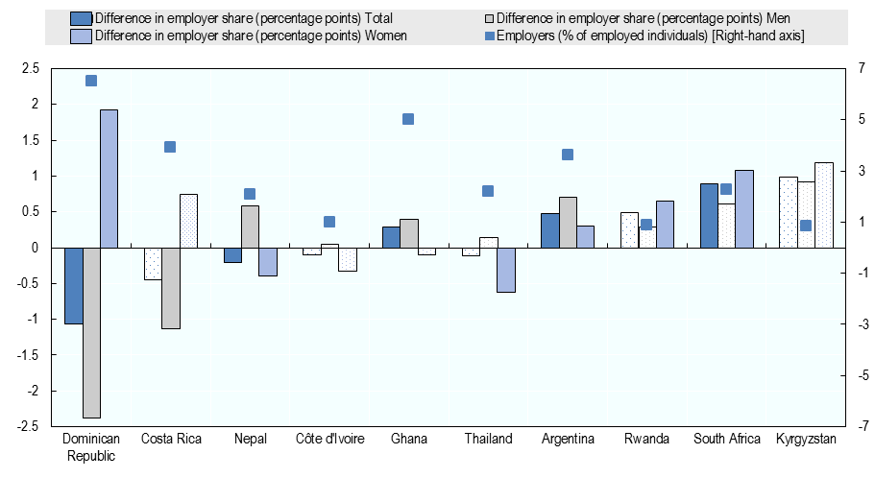

 |  | Difference in employer share (percentage points)-total | Difference in employer share (percentage points)-men | Difference in employer share (percentage points)-women | Employers (% of employed individuals, right-hand axis)
 | Dominican Republic | -1.06 | -2.38 | 1.92 | 6.52
 | Costa Rica | -0.44 | -1.13 | 0.75 | 3.92
 | Nepal | -0.21 | 0.59 | -0.39 | 2.09
 | Côte d'Ivoire | -0.1 | 0.06 | -0.32 | 0.98
 | Ghana | 0.29 | 0.39 | -0.09 | 5.03
 | Thailand | -0.11 | 0.15 | -0.62 | 2.21
 | Argentina | 0.48 | 0.71 | 0.3 | 3.62
 | Rwanda | 0.49 | 0.3 | 0.64 | 0.87
 | South Africa | 0.9 | 0.61 | 1.07 | 2.26
 | Kyrgyzstan | 0.99 | 0.93 | 1.19 | 0.83

