remittance inflows
Interrelations between Public Policies, Migration and Development - © OECD 2016
Chapter 2: Conceptual and methodological frameworks | The IPPMD partner countries represent a spectrum of income levels
Version 1 - Last updated: 06-Jan-2017
Disclaimer: http://oe.cd/disclaimer

Migrant remittance inflows (US$ million) | 2000 | 2001 | 2002 | 2003 | 2004 | 2005 | 2006 | 2007 | 2008 | 2009 | 2010 | 2011 | 2012 | 2013 | 2014 | 2015 | Remittances as a share of GDP in 2014 (%)
Armenia | 87 | 94 | 131 | 168 | 435 | 915 | 1,169 | 1,644 | 1,904 | 1,440 | 1,669 | 1,799 | 1,915 | 2,192 | 2,079 | 1,622 | 17.9%
Burkina Faso | 67 | 50 | 59 | 54 | 44 | 57 | 68 | 84 | 99 | 96 | 120 | 221 | 210 | 308 | 396 | 396 | 3.2%
Cambodia | 121 | 133 | 140 | 138 | 177 | 164 | 184 | 186 | 188 | 142 | 153 | 160 | 172 | 176 | 377 | 397.42 | 2.2%
Costa Rica | 136 | 198 | 250 | 321 | 319 | 420 | 513 | 618 | 605 | 513 | 531 | 520 | 562 | 596 | 594 | 601 | 1.2%
Cote d'Ivoire | 119 | 116 | 120 | 142 | 159 | 163 | 167 | 185 | 199 | 315 | 373 | 397 | 367 | 385 | 385 | 385 | 1.1%
Dominican Republic | 1,840 | 1,984 | 2,195 | 2,325 | 2,501 | 2,719 | 3,054 | 3,397 | 3,606 | 3,415 | 3,887 | 4,241 | 4,262 | 4,486 | 4,810 | 5,149 | 7.5%
Georgia | 210 | 222 | 231 | 236 | 303 | 446 | 627 | 883 | 1,065 | 1,112 | 1,184 | 1,547 | 1,770 | 1,945 | 1,986 | 1,555 | 12.0%
Haiti | 578 | 624 | 676 | 811 | 932 | 986 | 1,063 | 1,222 | 1,370 | 1,376 | 1,474 | 1,551 | 1,612 | 1,781 | 1,977 | 2,196 | 22.7%
Morocco | 2,160 | 3,260 | 2,880 | 3,610 | 4,220 | 4,589 | 5,451 | 6,730 | 6,894 | 6,269 | 6,423 | 7,256 | 6,508 | 6,882 | 6,923 | 6,418 | 6.3%
Philippines | 6,957 | 8,769 | 9,740 | 10,244 | 11,473 | 13,733 | 14,988 | 15,853 | 18,064 | 19,078 | 20,563 | 21,922 | 23,352 | 25,369 | 27,273 | 28,483 | 9.6%

Source: World Bank staff calculation based on data from IMF Balance of Payments Statistics database and data releases from central banks, national statistical agencies, and World Bank country desks.
Note: All numbers are in current (nominal) US $.
For a discussion of the definition of remittances, see Dilip Ratha, 2003, "Workers' Remittances: An Important and Stable Source of External Development Finance", Global Development Finance 2003, World Bank. Data since 2005 are based on IMF BOP Statistics that use the definitions of IMF BPM6.
GDP data is from WDI
For latest data and analysis on migration and remittances, please visit http://www.worldbank.org/migration
Date: April 2016

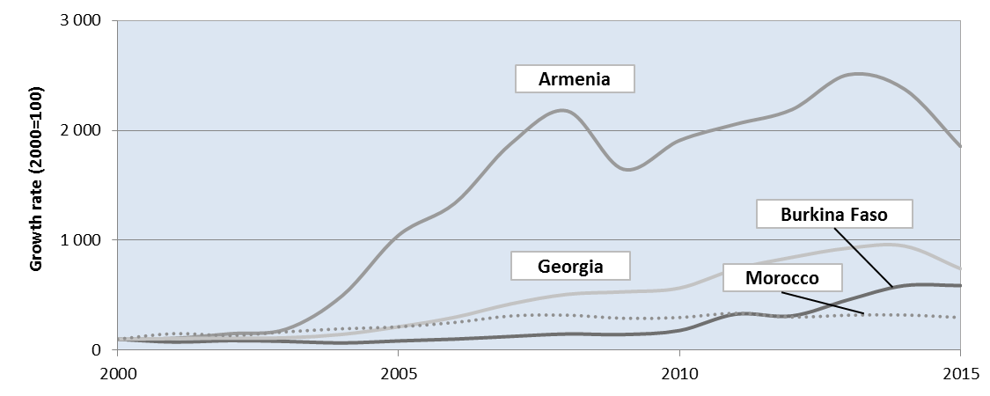
Country | 2000 | 2001 | 2002 | 2003 | 2004 | 2005 | 2006 | 2007 | 2008 | 2009 | 2010 | 2011 | 2012 | 2013 | 2014 | 2015
Armenia | 100 | 108 | 150 | 192 | 497 | 1,046 | 1,337 | 1,880 | 2,177 | 1,646 | 1,908 | 2,056 | 2,189 | 2,506 | 2,376 | 1,854
Burkina Faso | 100 | 74 | 87 | 80 | 66 | 84 | 101 | 125 | 148 | 143 | 179 | 328 | 312 | 458 | 588 | 588
Cambodia | 100 | 110 | 116 | 115 | 147 | 136 | 152 | 154 | 156 | 118 | 127 | 133 | 143 | 146 | 313 | 330
Costa Rica | 100 | 146 | 185 | 237 | 236 | 310 | 378 | 456 | 446 | 378 | 391 | 384 | 415 | 440 | 438 | 443
Cote d'Ivoire | 100 | 97 | 101 | 119 | 134 | 137 | 140 | 155 | 167 | 265 | 314 | 333 | 308 | 323 | 323 | 323
Dominican Republic | 100 | 108 | 119 | 126 | 136 | 148 | 166 | 185 | 196 | 186 | 211 | 230 | 232 | 244 | 261 | 280
Georgia | 100 | 106 | 110 | 113 | 145 | 213 | 299 | 421 | 508 | 530 | 565 | 738 | 845 | 928 | 948 | 742
Haiti | 100 | 108 | 117 | 140 | 161 | 171 | 184 | 211 | 237 | 238 | 255 | 268 | 279 | 308 | 342 | 380
Morocco | 100 | 151 | 133 | 167 | 195 | 212 | 252 | 312 | 319 | 290 | 297 | 336 | 301 | 319 | 321 | 297
Philippines | 100 | 126 | 140 | 147 | 165 | 197 | 215 | 228 | 260 | 274 | 296 | 315 | 336 | 365 | 392 | 409

Armenia
 | 2000 | 2001 | 2002 | 2003 | 2004 | 2005 | 2006 | 2007 | 2008 | 2009 | 2010 | 2011 | 2012 | 2013 | 2014 | 2015
Armenia | 100 | 108 | 150 | 192 | 497 | 1,046 | 1,337 | 1,880 | 2,177 | 1,646 | 1,908 | 2,056 | 2,189 | 2,506 | 2,376 | 1,854
Burkina Faso | 100 | 74 | 87 | 80 | 66 | 84 | 101 | 125 | 148 | 143 | 179 | 328 | 312 | 458 | 588 | 588
Average
Cote d'Ivoire | 100 | 97 | 101 | 119 | 134 | 137 | 140 | 155 | 167 | 265 | 314 | 333 | 308 | 323 | 323 | 323
Dominican Republic | 100 | 108 | 119 | 126 | 136 | 148 | 166 | 185 | 196 | 186 | 211 | 230 | 232 | 244 | 261 | 280
Burkina Faso
Georgia | 100 | 106 | 110 | 113 | 145 | 213 | 299 | 421 | 508 | 530 | 565 | 738 | 845 | 928 | 948 | 742
Georgia
Morocco
Morocco | 100 | 151 | 133 | 167 | 195 | 212 | 252 | 312 | 319 | 290 | 297 | 336 | 301 | 319 | 321 | 297
100
Average | 100 | 107 | 117 | 133 | 195 | 307 | 383 | 513 | 586 | 510 | 579 | 670 | 698 | 796 | 803 | 681

figure_2.2
Interrelations between Public Policies, Migration and Development - © OECD 2016
Chapter 2: Conceptual and methodological frameworks | The IPPMD partner countries represent a spectrum of income levels
Version 1 - Last updated: 06-Jan-2017
Disclaimer: http://oe.cd/disclaimer

Figure 2.2. The IPPMD partner countries represent a spectrum of income levels
GNI per capita (2014), Atlas method (current US$)

Source: World Bank, World Development Indicators, http://data.worldbank.org/data-catalog/world-development-indicators.

 | GNI per capita (thousands), Atlas method (current US$) | GNI per capita(2014), Atlas method (current US$) | income group
Costa Rica | 10.1 | 10110 | 1
Dominican Republic | 6.1 | 6110 | 1
 | 0.0
Georgia | 4.5 | 4490 | 2
Armenia | 4.0 | 4010 | 2
Philippines | 3.5 | 3500 | 2
Morocco | 3.1 | 3070 | 2
Côte d'Ivoire | 1.5 | 1450 | 2
 | 0.0
Cambodia | 1.0 | 1020 | 3
Haiti | 0.8 | 820 | 3
Burkina Faso | 0.7 | 680 | 3

