Graphique 3.5
Total du patrimoine transmis selon la valeur de la succession du donateur, 2018

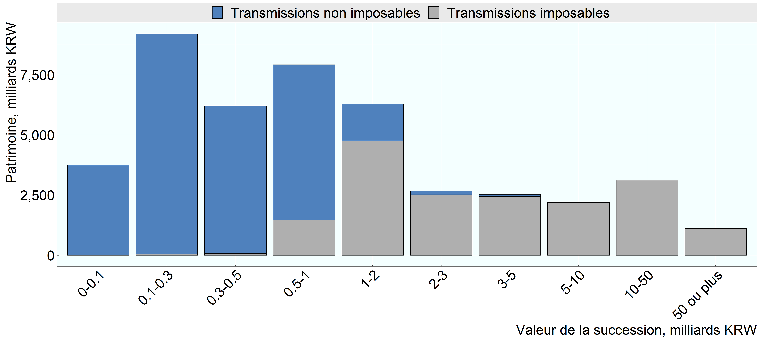

Source: Institut coréen des finances publiques, non publié

Row Number | Group | Groupe Graphique | Variable | Valeur
1 | Under 100 million | 0-0.1 | Transmissions imposables | 6
2 | 100 million to 300 million | 0.1-0.3 | Transmissions imposables | 52
3 | 300 million to 500 million | 0.3-0.5 | Transmissions imposables | 64
4 | 500 million to 1 billion | 0.5-1 | Transmissions imposables | 1,463
5 | 1 billion to 2 billion | 1-2 | Transmissions imposables | 4,753
6 | 2 billion to 3 billion | 2-3 | Transmissions imposables | 2,513
7 | 3 billion to 5 billion | 3-5 | Transmissions imposables | 2,433
8 | 5 billion to 10 billion | 5-10 | Transmissions imposables | 2,192
9 | 10 billion to 50 billion | 10-50 | Transmissions imposables | 3,121
10 | 50 billion and over | 50 ou plus | Transmissions imposables | 1,118
11 | Under 100 million | 0-0.1 | Transmissions non imposables | 3,738
12 | 100 million to 300 million | 0.1-0.3 | Transmissions non imposables | 9,150
13 | 300 million to 500 million | 0.3-0.5 | Transmissions non imposables | 6,146
14 | 500 million to 1 billion | 0.5-1 | Transmissions non imposables | 6,455
15 | 1 billion to 2 billion | 1-2 | Transmissions non imposables | 1,529
16 | 2 billion to 3 billion | 2-3 | Transmissions non imposables | 162
17 | 3 billion to 5 billion | 3-5 | Transmissions non imposables | 104
18 | 5 billion to 10 billion | 5-10 | Transmissions non imposables | 26
19 | 10 billion to 50 billion | 10-50 | Transmissions non imposables | 0
20 | 50 billion and over | 50 ou plus | Transmissions non imposables | 0

