Figure 3.5
Total wealth transferred by size of the donor's estate, 2018

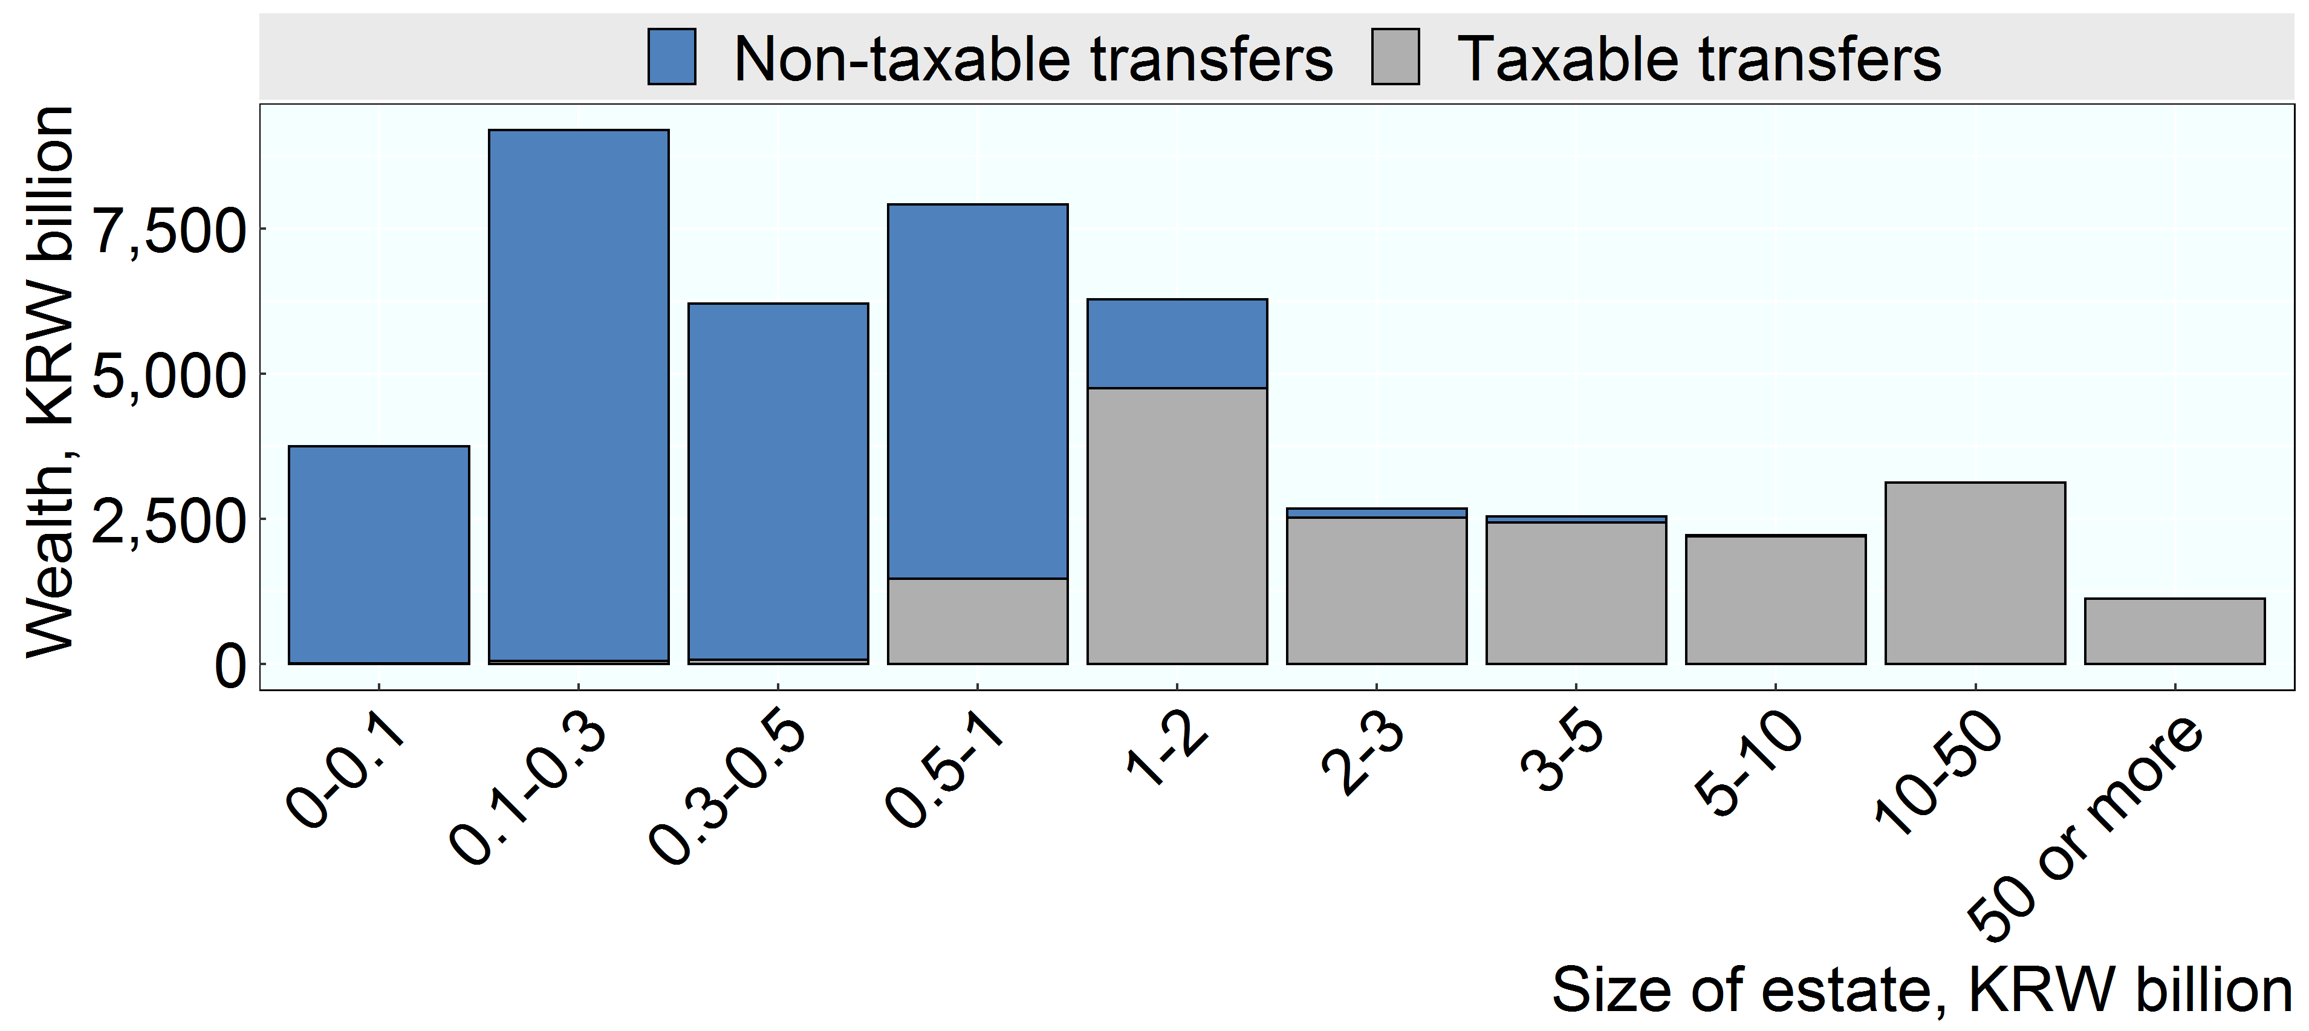

Note:
Source: Korea Institute for Public Finance, unpublished

Row Number | Group | Group Short | Variable | Value
1 | Under 100 million | 0-0.1 | Taxable transfers | 6
2 | 100 million to 300 million | 0.1-0.3 | Taxable transfers | 52
3 | 300 million to 500 million | 0.3-0.5 | Taxable transfers | 64
4 | 500 million to 1 billion | 0.5-1 | Taxable transfers | 1,463
5 | 1 billion to 2 billion | 1-2 | Taxable transfers | 4,753
6 | 2 billion to 3 billion | 2-3 | Taxable transfers | 2,513
7 | 3 billion to 5 billion | 3-5 | Taxable transfers | 2,433
8 | 5 billion to 10 billion | 5-10 | Taxable transfers | 2,192
9 | 10 billion to 50 billion | 10-50 | Taxable transfers | 3,121
10 | 50 billion and over | 50 or more | Taxable transfers | 1,118
11 | Under 100 million | 0-0.1 | Non-taxable transfers | 3,738
12 | 100 million to 300 million | 0.1-0.3 | Non-taxable transfers | 9,150
13 | 300 million to 500 million | 0.3-0.5 | Non-taxable transfers | 6,146
14 | 500 million to 1 billion | 0.5-1 | Non-taxable transfers | 6,455
15 | 1 billion to 2 billion | 1-2 | Non-taxable transfers | 1,529
16 | 2 billion to 3 billion | 2-3 | Non-taxable transfers | 162
17 | 3 billion to 5 billion | 3-5 | Non-taxable transfers | 104
18 | 5 billion to 10 billion | 5-10 | Non-taxable transfers | 26
19 | 10 billion to 50 billion | 10-50 | Non-taxable transfers | 0
20 | 50 billion and over | 50 or more | Non-taxable transfers | 0

