Figure 3.7
Total wealth transferred by tax administration area, 2018

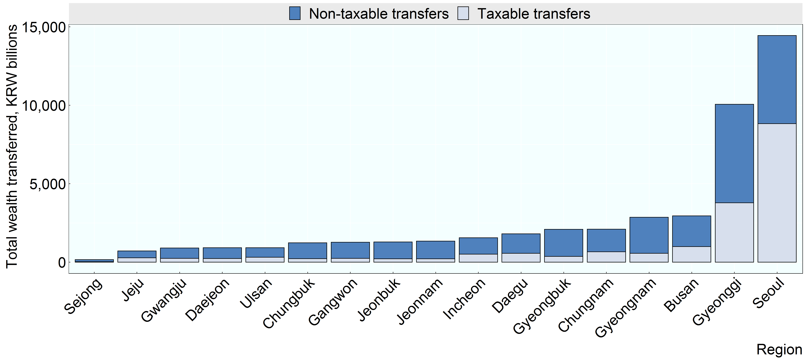

Note:
Source: Korea Institute for Public Finance, unpublished

Row Number | Region | Variable | Value
1 | Seoul | Taxable transfers | 8,833
2 | Incheon | Taxable transfers | 512
3 | Gyeonggi | Taxable transfers | 3,782
4 | Gangwon | Taxable transfers | 244
5 | Daejeon | Taxable transfers | 235
6 | Chungbuk | Taxable transfers | 225
7 | Chungnam | Taxable transfers | 665
8 | Sejong | Taxable transfers | 25
9 | Gwangju | Taxable transfers | 242
10 | Jeonbuk | Taxable transfers | 213
11 | Jeonnam | Taxable transfers | 214
12 | Daegu | Taxable transfers | 568
13 | Gyeongbuk | Taxable transfers | 370
14 | Busan | Taxable transfers | 991
15 | Ulsan | Taxable transfers | 311
16 | Gyeongnam | Taxable transfers | 566
17 | Jeju | Taxable transfers | 282
18 | Seoul | Non-taxable transfers | 5,618
19 | Incheon | Non-taxable transfers | 1,041
20 | Gyeonggi | Non-taxable transfers | 6,281
21 | Gangwon | Non-taxable transfers | 1,027
22 | Daejeon | Non-taxable transfers | 683
23 | Chungbuk | Non-taxable transfers | 1,009
24 | Chungnam | Non-taxable transfers | 1,436
25 | Sejong | Non-taxable transfers | 132
26 | Gwangju | Non-taxable transfers | 661
27 | Jeonbuk | Non-taxable transfers | 1,074
28 | Jeonnam | Non-taxable transfers | 1,126
29 | Daegu | Non-taxable transfers | 1,237
30 | Gyeongbuk | Non-taxable transfers | 1,720
31 | Busan | Non-taxable transfers | 1,959
32 | Ulsan | Non-taxable transfers | 613
33 | Gyeongnam | Non-taxable transfers | 2,294
34 | Jeju | Non-taxable transfers | 433

