g2-9
Use of low-emissions energy sources for heating or cooling by income level, tenant status, dwelling type, and environmental concern
Percentage of respondents who use low-emissions energy sources for heating or cooling

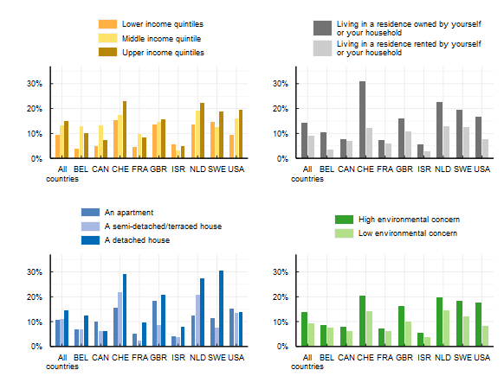

Note: This survey item asked respondents: "Which of the following energy sources do you use for space heating/cooling? Please select all that apply." Response options included electricity; gas; oil coal or other fossil fuels; wood or burning pellets; district heating or cooling; heat pumps; solar space heating, other and "Don't know". Respondents were able to select multiple responses except when selecting "Don't know". Renewable energy includes solar space heating, heat pumps, or electricity generated from renewable sources.
Source: OECD (2022), Environmental Policies and Individual Behaviour Change Survey

Country | Characteristic | Proportion
All countries | Lower income quintiles | 0.10
All countries | Middle income quintile | 0.13
All countries | Upper income quintiles | 0.15
BEL | Lower income quintiles | 0.04
BEL | Middle income quintile | 0.13
BEL | Upper income quintiles | 0.10
CAN | Lower income quintiles | 0.05
CAN | Middle income quintile | 0.13
CAN | Upper income quintiles | 0.07
CHE | Lower income quintiles | 0.15
CHE | Middle income quintile | 0.17
CHE | Upper income quintiles | 0.23
FRA | Lower income quintiles | 0.05
FRA | Middle income quintile | 0.10
FRA | Upper income quintiles | 0.08
GBR | Lower income quintiles | 0.13
GBR | Middle income quintile | 0.15
GBR | Upper income quintiles | 0.16
ISR | Lower income quintiles | 0.06
ISR | Middle income quintile | 0.03
ISR | Upper income quintiles | 0.05
NLD | Lower income quintiles | 0.14
NLD | Middle income quintile | 0.19
NLD | Upper income quintiles | 0.22
SWE | Lower income quintiles | 0.15
SWE | Middle income quintile | 0.13
SWE | Upper income quintiles | 0.19
USA | Lower income quintiles | 0.09
USA | Middle income quintile | 0.16
USA | Upper income quintiles | 0.20
All countries | Living in a residence owned by yourself or your household | 0.14
All countries | Living in a residence rented by yourself or your household | 0.09
BEL | Living in a residence owned by yourself or your household | 0.10
BEL | Living in a residence rented by yourself or your household | 0.03
CAN | Living in a residence owned by yourself or your household | 0.08
CAN | Living in a residence rented by yourself or your household | 0.07
CHE | Living in a residence owned by yourself or your household | 0.31
CHE | Living in a residence rented by yourself or your household | 0.12
FRA | Living in a residence owned by yourself or your household | 0.08
FRA | Living in a residence rented by yourself or your household | 0.06
GBR | Living in a residence owned by yourself or your household | 0.16
GBR | Living in a residence rented by yourself or your household | 0.11
ISR | Living in a residence owned by yourself or your household | 0.06
ISR | Living in a residence rented by yourself or your household | 0.03
NLD | Living in a residence owned by yourself or your household | 0.23
NLD | Living in a residence rented by yourself or your household | 0.13
SWE | Living in a residence owned by yourself or your household | 0.19
SWE | Living in a residence rented by yourself or your household | 0.13
USA | Living in a residence owned by yourself or your household | 0.17
USA | Living in a residence rented by yourself or your household | 0.08
All countries | An apartment | 0.11
All countries | A semi-detached/terraced house | 0.11
All countries | A detached house | 0.15
BEL | An apartment | 0.07
BEL | A semi-detached/terraced house | 0.07
BEL | A detached house | 0.13
CAN | An apartment | 0.10
CAN | A semi-detached/terraced house | 0.06
CAN | A detached house | 0.06
CHE | An apartment | 0.15
CHE | A semi-detached/terraced house | 0.22
CHE | A detached house | 0.29
FRA | An apartment | 0.05
FRA | A semi-detached/terraced house | 0.02
FRA | A detached house | 0.10
GBR | An apartment | 0.18
GBR | A semi-detached/terraced house | 0.09
GBR | A detached house | 0.21
ISR | An apartment | 0.04
ISR | A semi-detached/terraced house | 0.04
ISR | A detached house | 0.08
NLD | An apartment | 0.12
NLD | A semi-detached/terraced house | 0.21
NLD | A detached house | 0.27
SWE | An apartment | 0.12
SWE | A semi-detached/terraced house | 0.07
SWE | A detached house | 0.30
USA | An apartment | 0.15
USA | A semi-detached/terraced house | 0.14
USA | A detached house | 0.14
All countries | High environmental concern | 0.14
All countries | Low environmental concern | 0.09
BEL | High environmental concern | 0.09
BEL | Low environmental concern | 0.08
CAN | High environmental concern | 0.08
CAN | Low environmental concern | 0.06
CHE | High environmental concern | 0.20
CHE | Low environmental concern | 0.14
FRA | High environmental concern | 0.07
FRA | Low environmental concern | 0.06
GBR | High environmental concern | 0.16
GBR | Low environmental concern | 0.10
ISR | High environmental concern | 0.06
ISR | Low environmental concern | 0.04
NLD | High environmental concern | 0.20
NLD | Low environmental concern | 0.15
SWE | High environmental concern | 0.18
SWE | Low environmental concern | 0.12
USA | High environmental concern | 0.18
USA | Low environmental concern | 0.08

