Fig_3-2
Figure 3.2. Variation in the Gender Export Gap in Firms with a Facebook page, March 2022
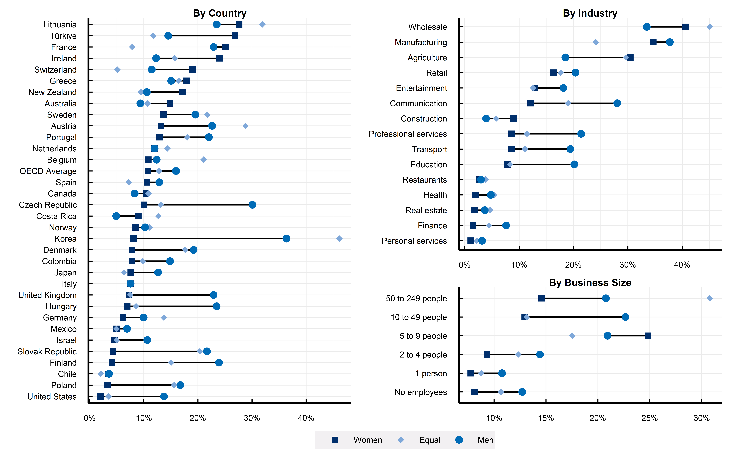

Note: The y-axis displays the share of firms in a given group who indicate they engage in either “just exporting” or “both importing and exporting”. Based on a sample of 10.000 small and medium sized businesses (i.e., with less than 250 employees) from 34 OECD countries.
Source: Authors’ calculations based on the OECD-World Bank-Meta Future of Business Survey.

Category | Women-Led | Equal-Led | Men-Led
Australia | 15 | 11 | 9
Austria | 13 | 29 | 23
Belgium | 11 | 21 | 12
Canada | 10 | 11 | 8
Chile | 3 | 2 | 4
Colombia | 8 | 10 | 15
Costa Rica | 9 | 13 | 5
Czech Republic | 10 | 13 | 30
Denmark | 8 | 18 | 19
Finland | 4 | 15 | 24
France | 25 | 8 | 23
Germany | 6 | 14 | 10
Greece | 18 | 16 | 15
Hungary | 7 | 9 | 23
Ireland | 24 | 16 | 12
Israel | 5 | 5 | 11
Italy | 8 | 8 | 8
Japan | 8 | 6 | 13
Korea | 8 | 46 | 36
Lithuania | 28 | 32 | 23
Mexico | 5 | 5 | 7
Netherlands | 12 | 14 | 12
New Zealand | 17 | 9 | 11
Norway | 8 | 11 | 10
Poland | 3 | 16 | 17
Portugal | 13 | 18 | 22
Slovak Republic | 4 | 20 | 22
Spain | 11 | 7 | 13
Sweden | 14 | 22 | 20
Switzerland | 19 | 5 | 11
Türkiye | 27 | 12 | 15
United Kingdom | 7 | 7 | 23
United States | 2 | 3 | 14
OECD Average | 11 | 13 | 16
Agriculture | 30 | 30 | 18
Communication | 12 | 19 | 28
Construction | 9 | 6 | 4
Education | 8 | 8 | 20
Entertainment | 13 | 13 | 18
Finance | 2 | 4 | 8
Health | 2 | 5 | 5
Manufacturing | 35 | 24 | 38
Personal services | 1 | 2 | 3
Professional services | 9 | 11 | 21
Real estate | 2 | 5 | 4
Restaurants | 3 | 4 | 3
Retail | 16 | 18 | 20
Transport | 9 | 11 | 19
Wholesale | 41 | 45 | 33
No employees | 8 | 11 | 13
1 person | 8 | 9 | 11
2 to 4 people | 9 | 12 | 14
5 to 9 people | 25 | 18 | 21
10 to 49 people | 13 | 13 | 23
50 to 249 people | 15 | 31 | 21

